Inputs
USER INPUT | Plant Inflow |  |  | Primary Sludge |  | Thickened Primary Sludge
 | mgd |  |  | gpd |  | gpd
 | 1 |  |  | 7800 |  | 3504.54 |  |  |  | Digestate |  | Chemical Conditioning |  | Dewatering |  |  |  |  | Landfill
 | SS [%] |  |  | SS [%] |  | SS [%] |  | Anaerobic Digestion |  | gpd |  |  |  | gpd |  |  |  |  | Storage Lagoon at Disposal Site
 | 1 |  |  | 2 |  | 4 |  |  |  | 2564.994684 |  | gpd |  | 724.82726832 |  |  |  |  | Agricultural Utilization
 |  |  |  |  |  |  |  | gpd |  | SS [%] |  | 2584.9759926 |  | SS [%] |  |  |  |  | Forest Land Utilization
Where will Sludge Be Land Applied? |  |  |  | Waste Activated Sludge |  | Thickened Waste Activated Sludge |  | 5404.54 |  | 5 |  |  |  | 18 |  |  |  |  | Land Reclamation Utilization
Agricultural Utilization |  |  |  | gpd |  |  |  | SS [%] |  |  |  |  |  |  |  |  |  |  | Dedicated Disposal Site
 |  |  |  | 12500 |  | gpd |  | 3.6
What Type of Driving? |  |  |  | SS [%] |  | 1900 |  |  |  |  |  |  |  |  | Hauling |  |  |  | Urban Travel
Highway Travel |  |  |  | 0.5 |  | SS [%] |  |  |  |  |  | Lime In |  |  | gpd |  |  |  | Rural Travel
 |  |  |  |  |  | 3 |  |  |  |  |  | gpd |  |  | 724.82726832 |  |  |  | Highway Travel
Distance to Site? |  |  |  |  |  |  |  | Gasses Out |  |  |  | 19.981308588 |  |  | SS [%]
25 |  |  |  |  |  |  |  | 2839.545316 |  |  |  |  |  |  | 18

Inflation Indices, O&M
MSECI | 1479.834 | N/A
ENRCCI | 8390.5 | N/A
LABOR
DIESEL FUEL |  | $/gallon | $/gallon | $/kWh | $/ton
ELECTRICITY
FUEL OIL
TIP FEE
INTEREST | 0.1 | %

 |  |  |  |  |  |  |  |  |  | Average Wage | Cost of Fuel | Cost of Fuel Oil | Cost of Electricity | Landfill Tipping Fee
 |  |  |  |  |  |  |  |  |  | $/hour | $/gallon diesel | $/gallon | $/kWh | $/ton
 |  |  |  |  |  |  |  |  |  | $24.58 | $2.58 | 1.546 | 0.1448 | 86.061639344

 | DRY TON |  |  |  |  |  |  |  | WET TON
Gallons Per Day Plant Inflow | AD | LA | DW C | DW BP | HAUL | INCINERATION | LANDFILL | LA + HAUL | Anaerobic Digestion | Land Application | Centrifuge Dewatering | Belt Filter Press Dewatering | Hauling Cost | Incineration | Landfill | Land Application Plus Hauling Costs | 1 | 724.82726832
1 | 277.85514899 | 179.44939371 | 1282.7942765 | 1090.9010467 | 211.05827729 | 2708.2647129 | 294.47864968 | 390.50767101 | 10.044827092 | 32.300890868 | 64.139713825 | 84.066004654 | 37.990489913 | 487.48764832 | 123.5767012 | 70.291380781 | 1.5 | 1087.2409025
1.5 | 237.032436 | 123.69924783 | 867.56160884 | 755.97210001 | 164.55301238 | 1922.9283648 | 246.16960357 | 288.25226021 | 8.5690326181 | 22.26586461 | 43.378080442 | 58.297340591 | 29.619542229 | 346.12710566 | 114.8810729 | 51.885406838 | 2 | 1449.6545366
2 | 213.98937309 | 95.824536288 | 659.89795325 | 588.50762667 | 144.57736307 | 1529.9981424 | 226.53606457 | 240.40189936 | 7.735995752 | 17.248416532 | 32.994897662 | 45.399295814 | 26.023925353 | 275.39966563 | 111.34703589 | 43.272341885 | 2.5 | 1812.0681708
2.5 | 198.60857109 | 79.09982501 | 535.26190318 | 488.02894266 | 126.30146035 | 1294.0266483 | 209.68807783 | 205.40128536 | 7.1799596404 | 14.237968502 | 26.763095159 | 37.656075264 | 22.734262862 | 232.9247967 | 108.31439827 | 36.972231364 | 3 | 2174.481805
3 | 187.29654982 | 67.950065677 | 452.13965645 | 421.04315333 | 109.67278357 | 1136.5314168 | 196.89339126 | 177.62284925 | 6.7710152745 | 12.231011822 | 22.606982823 | 32.49209623 | 19.741101043 | 204.57565503 | 106.01135469 | 31.972112865 | 3.5 | 2536.8954391
3.5 | 178.43273077 | 59.98597547 | 392.73958357 | 373.19616094 | 99.288519769 | 1023.8771054 | 184.166896 | 159.27449524 | 6.4505766209 | 10.797475585 | 19.636979178 | 28.802642061 | 17.871933558 | 184.29787896 | 103.72058554 | 28.669409143 | 4 | 2899.3090733
4 | 171.17105143 | 54.012920721 | 348.16586976 | 337.31091666 | 93.592571212 | 939.24604271 | 178.2410603 | 147.60549193 | 6.1880574141 | 9.7223257298 | 17.408293488 | 26.035060339 | 16.846662818 | 169.06428769 | 102.65393512 | 26.568988548 | 4.5 | 3261.7227074
4.5 | 165.02337837 | 49.367219121 | 313.47639574 | 309.4001711 | 83.98067629 | 873.29507819 | 171.61452067 | 133.34789541 | 5.9658109914 | 8.8860994418 | 15.673819787 | 23.882205689 | 15.116521732 | 157.19311407 | 101.46115798 | 24.002621174 | 5 | 3624.1363416
5 | 159.68678573 | 45.650662659 | 285.70588991 | 287.07157465 | 77.903840101 | 820.41832139 | 163.98523475 | 123.55450276 | 5.7728861869 | 8.2171192787 | 14.285294495 | 22.159738549 | 14.022691218 | 147.67529785 | 100.08788652 | 22.239810497 | 5.5 | 3986.5499758
5.5 | 154.96252324 | 42.609846922 | 262.96736126 | 268.80272302 | 73.013045158 | 777.04838748 | 158.89212433 | 115.62289208 | 5.6020979181 | 7.669772446 | 13.148368063 | 20.750325967 | 13.142348128 | 139.86870975 | 99.171126643 | 20.812120574 | 6 | 4348.9636099
6 | 150.71433179 | 40.075835998 | 244.0028158 | 253.57867999 | 68.862984261 | 740.80701994 | 154.58027497 | 108.93882026 | 5.4485202402 | 7.2136504797 | 12.20014079 | 19.575732088 | 12.395337167 | 133.34526359 | 98.394993758 | 19.608987647 | 6.5 | 4711.3772441
6.5 | 146.84540863 | 37.931674464 | 227.94133459 | 240.69679742 | 65.351394272 | 710.04773347 | 150.93178705 | 103.28306874 | 5.3086536073 | 6.8277014035 | 11.397066729 | 18.581785738 | 11.763250969 | 127.80859202 | 97.738265932 | 18.590952372 | 7 | 5073.7908783
7 | 143.28492655 | 36.093822855 | 214.16083268 | 229.6551838 | 63.042774139 | 683.59446713 | 147.80451169 | 99.136596994 | 5.1799375226 | 6.4968881139 | 10.708041634 | 17.729788514 | 11.347699345 | 123.04700408 | 97.175356367 | 17.844587459 | 7.5 | 5436.2045124
7.5 | 139.97976396 | 34.501018974 | 202.20511445 | 220.08578532 | 59.981002248 | 660.58477626 | 145.09420638 | 94.482021223 | 5.0604515716 | 6.2101834154 | 10.110255722 | 16.991358654 | 10.796580405 | 118.90525973 | 96.687501411 | 17.00676382 | 8 | 5798.6181466
8 | 136.88922799 | 33.107316224 | 191.73203317 | 211.71256165 | 63.638130968 | 640.37182734 | 149.29885079 | 96.745447192 | 4.9487246537 | 5.9593169203 | 9.5866016587 | 16.345207946 | 11.454863574 | 115.26692892 | 97.444337404 | 17.414180495 | 8.5 | 6161.0317807
8.5 | 133.98157281 | 31.877579003 | 182.47994725 | 204.32442312 | 60.901546545 | 622.46098299 | 147.24164315 | 92.779125549 | 4.8436091152 | 5.7379642206 | 9.1239973623 | 15.775055917 | 10.962278378 | 112.04297694 | 97.074040029 | 16.700242599 | 9 | 6523.4454149
9 | 131.23163538 | 30.784479646 | 174.24535763 | 197.75718887 | 58.469027058 | 606.46752523 | 144.71426366 | 89.253506704 | 4.7441952802 | 5.5412063362 | 8.7122678816 | 15.268239118 | 10.52442487 | 109.16415454 | 96.61911172 | 16.065631207 | 9.5 | 6885.8590491
9.5 | 128.61918947 | 29.806443692 | 166.8676072 | 191.88124244 | 56.292562254 | 592.08772934 | 142.45292411 | 86.099005946 | 4.6497519431 | 5.3651598646 | 8.3433803602 | 14.814759492 | 10.132661206 | 106.57579128 | 96.212070602 | 15.49782107 | 10 | 7248.2726832
10 | 126.12777405 | 28.926211587 | 160.21817026 | 186.59289065 | 99.964260309 | 579.07861557 | 140.41771852 | 128.8904719 | 4.5596840169 | 5.2067180857 | 8.010908513 | 14.406618168 | 17.993566856 | 104.2341508 | 95.845733595 | 23.200284941 | 10.5 | 7610.6863174
10.5 | 123.74384325 | 28.129811319 | 154.19300218 | 184.03386556 | 95.765070907 | 567.243486 | 138.57634203 | 123.89488223 | 4.4735018 | 5.0633660374 | 7.709650109 | 14.209182992 | 17.237712763 | 102.10382748 | 95.514285828 | 22.301078801 | 11 | 7973.0999515
11 | 121.4561386 | 42.609739399 | 148.70697555 | 180.9818483 | 91.909375077 | 556.42140598 | 136.94197748 | 134.51911448 | 4.3907982845 | 7.6697530918 | 7.4353487776 | 13.973666804 | 16.543687514 | 100.15585308 | 95.220100208 | 24.213440606 | 11.5 | 8335.5135857
11.5 | 119.25521835 | 41.287655641 | 143.68976773 | 178.36126118 | 88.388957146 | 546.47942949 | 135.41183986 | 129.67661279 | 4.3112321385 | 7.4317780154 | 7.1844883865 | 13.771446394 | 15.910012286 | 98.366297309 | 94.944675437 | 23.341790302 | 12 | 8697.9272199
12 | 117.13309946 | 40.075745649 | 139.08277651 | 176.11816962 | 85.161907376 | 537.30676818 | 173.06160164 | 125.23765302 | 4.2345147646 | 7.2136342168 | 6.9541388254 | 13.598360081 | 15.329143328 | 96.715218273 | 101.72163256 | 22.542777544 | 12.5 | 9060.340854
12.5 | 115.08298187 | 38.960788556 | 134.83677603 | 174.20726859 | 82.193021587 | 528.81035985 | 169.97565697 | 121.15381014 | 4.1604003319 | 7.0129419401 | 6.7418388017 | 13.450911938 | 14.794743886 | 95.185864772 | 101.16616252 | 21.807685826 | 13 | 9422.7544882
13 | 113.09903363 | 37.93159748 | 130.91011366 | 172.59022304 | 79.452511628 | 520.91145953 | 167.12709265 | 117.38410911 | 4.0886780078 | 6.8276875464 | 6.5455056831 | 13.326143786 | 14.301452093 | 93.764062715 | 100.65342094 | 21.129139639 | 13.5 | 9785.1681223
13.5 | 111.1762217 | 36.978642852 | 127.26730751 | 171.2343772 | 88.057584676 | 513.5429882 | 164.4895331 | 125.03622753 | 4.0191658416 | 6.6561557134 | 6.3633653757 | 13.221535626 | 15.850365242 | 92.437737876 | 100.17866022 | 22.506520955 | 14 | 10147.581757
14 | 109.3101774 | 36.093756476 | 123.87794454 | 170.11174043 | 85.198545145 | 506.64744955 | 162.04037066 | 121.29230162 | 3.9517058991 | 6.4968761656 | 6.1938972272 | 13.134927402 | 15.335738126 | 91.19654092 | 99.737810981 | 21.832614292 | 14.5 | 10509.995391
14.5 | 107.4970884 | 35.2698968 | 120.71580661 | 169.19818282 | 82.536680754 | 500.1752778 | 159.76011598 | 117.80657755 | 3.8861603602 | 6.348581424 | 6.0357903307 | 13.064456955 | 14.856602536 | 90.031550004 | 99.327365138 | 21.20518396 | 15 | 10872.409025
15 | 105.7336114 | 34.500961151 | 117.75817134 | 168.47279183 | 80.052273989 | 494.08351592 | 157.63187827 | 114.55323514 | 3.8224083599 | 6.2101730071 | 5.8879085668 | 13.008510378 | 14.409409318 | 88.935032866 | 98.944282351 | 20.619582325 | 15.5 | 11234.822659
15.5 | 104.01680088 | 33.781634294 | 114.98524824 | 167.91735328 | 78.808022136 | 488.33474975 | 156.7880525 | 112.58965643 | 3.760343414 | 6.0806941729 | 5.7492624122 | 12.965681981 | 14.185443984 | 87.900254954 | 98.792393713 | 20.266138157 | 16 | 11597.236293
16 | 102.34405063 | 33.107265402 | 112.37972068 | 167.51592979 | 76.623204702 | 482.89624187 | 154.88570663 | 109.7304701 | 3.6998713041 | 5.9593077724 | 5.6189860339 | 12.934741761 | 13.792176846 | 86.921323537 | 98.449971457 | 19.751484619 | 16.5 | 11959.649927
16.5 | 100.71304535 | 32.473767385 | 109.92637097 | 167.25451575 | 74.543849341 | 477.73922307 | 153.09865446 | 107.01761673 | 3.64090833 | 5.8452781293 | 5.4963185486 | 12.91460879 | 13.417892881 | 85.993060152 | 98.128302065 | 19.263171011 | 17 | 12322.063561
17 | 99.121720501 | 31.877533985 | 107.61177177 | 167.12075329 | 72.586809002 | 472.83830872 | 160.45734774 | 104.46434299 | 3.583379855 | 5.7379561173 | 5.3805885883 | 12.90432929 | 13.06562562 | 85.110895569 | 99.452866855 | 18.803581738 | 17.5 | 12684.477196
17.5 | 97.568228572 | 31.31537109 | 105.42403026 | 167.10369688 | 70.741599539 | 468.1710153 | 158.53941404 | 102.05697063 | 3.5272190896 | 5.6367667963 | 5.2712015132 | 12.903058472 | 12.733487917 | 84.270782754 | 99.107638789 | 18.370254713 | 18 | 13046.89083
18 | 96.050910814 | 30.78443949 | 103.35257509 | 167.19361712 | 68.998901714 | 463.71735747 | 156.7280322 | 99.783341204 | 3.4723660679 | 5.5411991083 | 5.1676287543 | 12.910045403 | 12.419802308 | 83.469124344 | 98.781590059 | 17.961001417 | 18.5 | 13409.304464
18.5 | 94.568273274 | 30.282206916 | 101.3879777 | 167.38183648 | 67.35040377 | 459.45951045 | 155.01456291 | 97.632610686 | 3.4187667814 | 5.4507972448 | 5.0693988852 | 12.924620322 | 12.123072679 | 82.702711881 | 98.473165585 | 17.573869923 | 19 | 13771.718098
19 | 93.118966449 | 29.806407652 | 99.52180207 | 167.66059083 | 65.788668876 | 455.38152577 | 153.3912762 | 95.595076529 | 3.3663724439 | 5.3651533774 | 4.9760901035 | 12.946183962 | 11.841960398 | 81.968674639 | 98.180973978 | 17.207113775 | 19.5 | 14134.131732
19.5 | 91.701767914 | 29.355008368 | 97.74647737 | 168.02291237 | 122.09907727 | 451.46909069 | 151.85123497 | 151.45408563 | 3.3151388631 | 5.2839015062 | 4.8873238685 | 12.974198512 | 21.977833908 | 81.264436324 | 97.903766557 | 27.261735414 | 20 | 14496.545366
20 | 90.315567426 | 28.926179062 | 96.055189869 | 168.46253007 | 119.17693263 | 447.70932374 | 150.3881958 | 148.10311169 | 3.2650259022 | 5.2067122311 | 4.8027594935 | 13.008179935 | 21.451847874 | 80.587678273 | 97.640419506 | 26.658560105 | 20.5 | 14858.959001
20.5 | 88.959354099 | 28.518268272 | 94.441790591 | 168.97378472 | 116.39733164 | 444.09060019 | 148.99652439 | 144.91559991 | 3.2159970164 | 5.1332882889 | 4.7220895295 | 13.047691414 | 20.951519695 | 79.936308034 | 97.389918653 | 26.084807983 | 21 | 15221.372635
21 | 87.632205323 | 28.129781817 | 92.900716174 | 169.55155608 | 113.75009259 | 440.60240242 | 147.67112305 | 141.87987441 | 3.1680188521 | 5.0633607271 | 4.6450358087 | 13.092337729 | 20.475016667 | 79.308432435 | 97.151346412 | 25.538377394 | 21.5 | 15583.786269
21.5 | 86.333277151 | 27.759364511 | 91.426920778 | 170.1912002 | 111.22598095 | 437.23519119 | 146.42614872 | 138.98534546 | 3.1210608996 | 4.9966856119 | 4.5713460389 | 13.141760421 | 20.020676571 | 78.702334414 | 96.927251032 | 25.017362183 | 22 | 15946.199903
22 | 85.061795923 | 35.007748441 | 90.015817277 | 170.88849533 | 108.81660165 | 433.98029448 | 145.21941053 | 143.82435009 | 3.07509519 | 6.3013947195 | 4.5007908638 | 13.195633615 | 19.586988297 | 78.116453006 | 96.710038157 | 25.888383017 | 22.5 | 16308.613537
22.5 | 83.81705096 | 34.500950442 | 88.663226288 | 171.63959495 | 106.51430588 | 430.82981109 | 144.06630514 | 141.01525632 | 3.0300960314 | 6.2101710796 | 4.4331613144 | 13.2536604 | 19.172575058 | 77.549365997 | 96.502479187 | 25.382746138 | 23 | 16671.027171
23 | 82.598388159 | 34.016187147 | 87.365331855 | 172.44098706 | 104.31210992 | 427.77652691 | 142.96333477 | 138.32829707 | 2.986039777 | 6.1229136865 | 4.3682665928 | 13.31556968 | 18.776179786 | 76.999774845 | 96.303944521 | 24.899093472 | 23.5 | 17033.440806
23.5 | 81.40520436 | 33.552052085 | 86.118642782 | 173.28945853 | 102.20362443 | 424.81384178 | 141.90729931 | 135.75567652 | 2.9429046219 | 6.0393693754 | 4.3059321391 | 13.381113431 | 18.396652397 | 76.466491521 | 96.113858138 | 24.436021773 | 24 | 17395.85444
24 | 80.236942383 | 33.107255991 | 84.919958807 | 174.182064 | 100.20109421 | 421.93570555 | 189.52109674 | 133.3083502 | 2.9006704233 | 5.9593060784 | 4.2459979404 | 13.450064293 | 18.036196958 | 75.948426999 | 104.68434168 | 23.995503036 | 24.5 | 17758.268074
24.5 | 79.093086645 | 32.680614846 | 83.766340913 | 175.11609855 | 98.262567631 | 419.13656197 | 187.50595375 | 130.94318248 | 2.8593185421 | 5.8825106723 | 4.1883170457 | 13.522213467 | 17.687262174 | 75.444581155 | 104.32161594 | 23.569772846 | 25 | 18120.681708
25 | 77.973159269 | 32.271039352 | 82.655085206 | 176.08907363 | 96.401582115 | 416.41129929 | 185.57141648 | 128.67262147 | 2.8188317025 | 5.8087870834 | 4.1327542603 | 13.597368855 | 17.352284781 | 74.954033872 | 103.97339923 | 23.161071864 | 25.5 | 18483.095342
25.5 | 76.876716631 | 31.877525648 | 81.583699859 | 177.0986959 | 94.613576424 | 413.75520666 | 183.71274341 | 126.49110207 | 2.7791938669 | 5.7379546167 | 4.079184993 | 13.675353424 | 17.030443756 | 74.475937199 | 103.63883808 | 22.768398373 | 26 | 18845.508976
26 | 75.803346286 | 31.499147092 | 80.549884729 | 178.14284842 | 92.894340182 | 411.16393564 | 181.92555777 | 124.39348727 | 2.7403901249 | 5.6698464765 | 4.0274942364 | 13.75600376 | 16.720981233 | 74.009508415 | 103.31714466 | 22.390827709 | 26.5 | 19207.922611
26.5 | 74.752664216 | 31.135046976 | 79.551513263 | 179.21957402 | 91.23998078 | 408.63346594 | 180.2058131 | 122.37502776 | 2.7024065937 | 5.6043084557 | 3.9775756632 | 13.839168779 | 16.42319654 | 73.55402387 | 103.00759062 | 22.027504996 | 27 | 19570.336245
27 | 73.724312376 | 30.784432054 | 78.586616435 | 180.3270605 | 89.646893948 | 406.1600751 | 178.54976268 | 120.431326 | 2.6652303295 | 5.5411977697 | 3.9293308218 | 13.924708587 | 16.136440911 | 73.108813518 | 102.70950154 | 21.67763868 | 27.5 | 19932.749879
27.5 | 72.717956489 | 30.44656677 | 77.653368419 | 181.46362745 | 88.111737546 | 403.74031135 | 176.95393227 | 118.55830432 | 2.6288492478 | 5.4803820185 | 3.8826684209 | 14.012493467 | 15.860112758 | 72.673256044 | 102.42225207 | 21.340494777 | 28 | 20295.163513
28 | 71.733284068 | 30.120768106 | 76.750073804 | 182.62771452 | 86.631408159 | 401.37096951 | 175.4150958 | 116.75217627 | 2.5932520517 | 5.4217382591 | 3.8375036902 | 14.102402961 | 15.593653469 | 72.246774512 | 102.14526151 | 21.015391728 | 28.5 | 20657.577147
28.5 | 70.770002629 | 29.806400978 | 75.875156158 | 183.81787083 | 85.203020154 | 399.04906929 | 173.9302536 | 115.00942113 | 2.5584281677 | 5.3651521761 | 3.7937578079 | 14.19432507 | 15.336543628 | 71.828832473 | 101.87798991 | 20.701695804 | 29 | 21019.990781
29 | 69.827838084 | 29.5028741 | 75.027147766 | 185.03274556 | 139.51367962 | 396.77183597 | 172.49661285 | 169.01655372 | 2.5243676869 | 5.3105173379 | 3.7513573883 | 14.288155513 | 25.112462332 | 71.418930475 | 101.61993458 | 30.42297967 | 29.5 | 21382.404415
29.5 | 68.906533289 | 29.20963627 | 74.204680421 | 186.27107948 | 137.22180622 | 394.53668293 | 171.11157009 | 166.43144249 | 2.4910613135 | 5.2577345287 | 3.710234021 | 14.383797082 | 24.699925119 | 71.016602927 | 101.37062688 | 29.957659648 | 30 | 21744.81805
30 | 68.005846727 | 28.926173038 | 73.406477127 | 187.53169732 | 134.9920181 | 392.34119599 | 169.77269543 | 163.91819113 | 2.4585003161 | 5.2067111469 | 3.6703238564 | 14.481159047 | 24.298563257 | 70.621415278 | 101.12962944 | 29.505274404 | 30.5 | 22107.231684
30.5 | 67.125551311 | 28.652003685 | 72.631344629 | 188.81350086 | 132.84941368 | 390.18311928 | 168.47771829 | 161.50141737 | 2.4266764853 | 5.1573606634 | 3.6315672314 | 14.580156628 | 23.912894463 | 70.23296147 | 100.89653355 | 29.070255126 | 31 | 22469.645318
31 | 66.265433302 | 28.386678508 | 71.878166654 | 190.11546273 | 131.30201197 | 388.06034246 | 167.78584524 | 159.68869048 | 2.3955820942 | 5.1096021314 | 3.5939083327 | 14.680710514 | 23.634362155 | 69.850861643 | 100.77199641 | 28.743964286 | 31.5 | 22832.058952
31.5 | 65.425291325 | 28.129776354 | 71.145897803 | 191.43662081 | 129.28599827 | 385.97088921 | 166.56351579 | 157.41577462 | 2.3652098627 | 5.0633597437 | 3.5572948901 | 14.782746431 | 23.271479689 | 69.474760058 | 100.5519771 | 28.334839432 | 32 | 23194.472586
32 | 64.604935463 | 27.880902394 | 70.433558017 | 192.77607309 | 127.332985 | 383.9129067 | 165.39166917 | 155.21388739 | 2.3355529252 | 5.018562431 | 3.5216779008 | 14.886194743 | 22.9199373 | 69.104323206 | 100.34104471 | 27.93849973 | 32.5 | 23556.88622
32.5 | 63.804186441 | 27.639686097 | 69.740227545 | 194.13297309 | 125.42685475 | 381.88465613 | 164.24378334 | 153.06654085 | 2.3066048006 | 4.9751434975 | 3.4870113772 | 14.990990103 | 22.576833855 | 68.739238103 | 100.13442526 | 27.551977353 | 33 | 23919.299855
33 | 63.022874871 | 32.473755438 | 69.065042381 | 195.50652561 | 123.59149557 | 379.88450408 | 163.13068193 | 156.06525101 | 2.2783593654 | 5.8452759788 | 3.4532521191 | 15.097071121 | 22.246469203 | 68.379210735 | 99.934067009 | 28.091745181 | 33.5 | 24281.713489
33.5 | 62.26084057 | 32.171189586 | 68.407190101 | 196.89598293 | 121.79810786 | 377.91091466 | 162.05080742 | 153.96929745 | 2.2508108286 | 5.7908141254 | 3.4203595051 | 15.204380075 | 21.923659415 | 68.023964638 | 99.739689599 | 27.71447354 | 34 | 24644.127123
34 | 61.517931928 | 31.87752273 | 67.76590607 | 198.30064133 | 120.07009376 | 375.9624423 | 161.00269393 | 151.94761649 | 2.2239537094 | 5.7379540915 | 3.3882953035 | 15.312862635 | 21.612616876 | 67.673239614 | 99.551029171 | 27.350570967 | 34.5 | 25006.540757
34.5 | 60.794005328 | 31.59236796 | 67.14046998 | 199.71983788 | 118.37972311 | 374.03772526 | 159.98496055 | 149.97209107 | 2.1977828159 | 5.6866262328 | 3.357023499 | 15.422467623 | 21.308350159 | 67.326790546 | 99.367837161 | 26.994976392 | 35 | 25368.954391
35 | 60.088924616 | 31.31536047 | 66.530202683 | 201.1529475 | 116.7499149 | 372.13547959 | 158.99630526 | 148.06527537 | 2.1722932258 | 5.6367648846 | 3.3265101341 | 15.533146783 | 21.014984682 | 66.984386327 | 99.189879208 | 26.651749567 | 35.5 | 25731.368025
35.5 | 59.402560613 | 31.046156009 | 65.934463293 | 202.59938038 | 115.15392341 | 370.2544937 | 158.03549941 | 146.20007942 | 2.1474802693 | 5.5883080816 | 3.2967231647 | 15.64485458 | 20.727706214 | 66.645808866 | 99.016934156 | 26.316014296 | 36 | 26093.78166
36 | 58.734790665 | 30.784429451 | 65.352646531 | 204.05857943 | 113.61419043 | 368.39362329 | 203.64455388 | 144.39861988 | 2.1233395122 | 5.5411973013 | 3.2676323265 | 15.757548006 | 20.450554277 | 66.310852192 | 107.22656396 | 25.991751579 | 36.5 | 26456.195294
36.5 | 58.085498225 | 30.529873486 | 64.784180279 | 205.53001811 | 112.10487986 | 366.55178677 | 202.07632674 | 142.63475335 | 2.0998667411 | 5.4953772274 | 3.239209014 | 15.871186411 | 20.178878375 | 65.979321618 | 106.94428308 | 25.674255603 | 37 | 26818.608928
37 | 57.454572469 | 30.282197412 | 64.22852335 | 207.01319834 | 110.64796458 | 364.72796101 | 200.56096497 | 140.93016199 | 2.0770579498 | 5.4507955342 | 3.2114261675 | 15.985731341 | 19.916633624 | 65.651032981 | 106.67151796 | 25.367429158 | 37.5 | 27181.022562
37.5 | 56.841907947 | 30.041126035 | 63.685163415 | 208.50764859 | 109.22990037 | 362.92117744 | 199.08601285 | 139.2710264 | 2.0549093259 | 5.4074026863 | 3.1842581708 | 16.101146396 | 19.661382066 | 65.32581194 | 106.40602658 | 25.068784752 | 38 | 27543.436196
38 | 56.247404245 | 29.806398642 | 63.153615115 | 210.01292216 | 107.83785587 | 361.1305185 | 197.63967022 | 137.64425452 | 2.0334172394 | 5.3651517556 | 3.1576807558 | 16.217397087 | 19.410814057 | 65.00349333 | 106.1456849 | 24.775965813 | 38.5 | 27905.84983
38.5 | 55.670965691 | 29.577768066 | 62.6334183 | 211.52859556 | 106.49311942 | 359.35511425 | 196.24096744 | 136.07088748 | 2.0125782317 | 5.323998252 | 3.131670915 | 16.334450719 | 19.168761495 | 64.683920565 | 105.8939184 | 24.492759747 | 39 | 28268.263465
39 | 55.112501065 | 29.354999814 | 62.12413642 | 213.054267 | 158.91474499 | 357.5941394 | 194.86818545 | 188.26974481 | 1.9923890049 | 5.2838999665 | 3.106206821 | 16.452276275 | 28.604654098 | 64.366945092 | 105.64681764 | 33.888554065 | 39.5 | 28630.677099
39.5 | 54.571923342 | 29.137871265 | 61.625355028 | 214.58955506 | 156.94632941 | 355.84681042 | 193.53997495 | 186.08420067 | 1.9728464131 | 5.2448168276 | 3.0812677514 | 16.570844305 | 28.250339293 | 64.052425876 | 105.40773975 | 33.495156121 | 40 | 28993.090733
40 | 54.049149443 | 28.92617093 | 61.136680398 | 216.13409735 | 155.02712421 | 354.11238298 | 192.23527492 | 183.95329514 | 1.9539474528 | 5.2067107674 | 3.0568340199 | 16.690126835 | 27.904882358 | 63.740228936 | 105.17289375 | 33.111593125 | 40.5 | 29355.504367
40.5 | 53.544100017 | 28.719697765 | 60.65773825 | 217.68754942 | 153.14478237 | 352.39014948 | 190.97236481 | 181.86448013 | 1.9356892554 | 5.1695455978 | 3.0328869125 | 16.810097268 | 27.566060827 | 63.430226907 | 104.94556993 | 32.735606424 | 41 | 29717.918001
41 | 53.056699222 | 28.518260532 | 60.18817256 | 219.2495836 | 151.31874739 | 350.67943687 | 189.73079906 | 179.83700792 | 1.9180690791 | 5.1332868958 | 3.009408628 | 16.93073031 | 27.237374529 | 63.122298636 | 104.72208809 | 32.370661425 | 41.5 | 30080.331635
41.5 | 52.586874533 | 28.321677209 | 59.727644462 | 220.819888 | 149.52644242 | 348.9796045 | 188.52849492 | 177.84811963 | 1.901084302 | 5.0979018976 | 2.9863822231 | 17.05200188 | 26.914759636 | 62.81632881 | 104.50567335 | 32.012661533 | 42 | 30442.74527
42 | 52.134556556 | 28.129774442 | 59.275831225 | 222.39816562 | 147.78695993 | 347.29004225 | 187.34558394 | 175.91673438 | 1.8847324155 | 5.0633593995 | 2.9637915613 | 17.173889048 | 26.601652788 | 62.512207606 | 104.29274937 | 31.665012188 | 42.5 | 30805.158904
42.5 | 51.699678862 | 27.942387034 | 58.832425309 | 223.98413339 | 146.08840645 | 345.61016872 | 186.19963067 | 174.03079348 | 1.869011018 | 5.0296296662 | 2.9416212654 | 17.296369962 | 26.295913161 | 62.20983037 | 104.08647778 | 31.325542827 | 43 | 31167.572538
43 | 51.282177819 | 27.759357474 | 58.397133474 | 225.57752145 | 144.41944167 | 343.93942953 | 185.08032748 | 172.17879914 | 1.8539178092 | 4.9966843454 | 2.9198566737 | 17.419423785 | 25.9954995 | 61.909097315 | 103.88500321 | 30.992183846 | 43.5 | 31529.986172
43.5 | 50.881992453 | 27.580535491 | 57.969675966 | 227.17807231 | 142.7986425 | 342.27729579 | 183.97784064 | 170.37917799 | 1.8394505848 | 4.9644963884 | 2.8984837983 | 17.543030638 | 25.703755649 | 61.609913242 | 103.68655558 | 30.668252038 | 44 | 31892.399806
44 | 50.499064297 | 31.206759683 | 57.549785743 | 228.7855402 | 141.21467967 | 340.62326266 | 182.90922377 | 172.42143935 | 1.825607231 | 5.6172167429 | 2.8774892872 | 17.667171548 | 25.41864234 | 61.312187279 | 103.49420454 | 31.035859083 | 44.5 | 32254.81344
44.5 | 50.13333727 | 30.993221316 | 57.13720777 | 230.3996904 | 139.6567331 | 338.976848 | 181.85590634 | 170.64995442 | 1.8123857206 | 5.5787798369 | 2.8568603885 | 17.791828392 | 25.138211958 | 61.01583264 | 103.3046074 | 30.716991795 | 45 | 32617.227074
45 | 49.784757546 | 30.784428247 | 56.731698342 | 232.02029863 | 138.14287955 | 337.33759108 | 180.83461356 | 168.9273078 | 1.7997841076 | 5.5411970844 | 2.8365849171 | 17.916983854 | 24.865718319 | 60.720766394 | 103.1207747 | 30.406915404 | 45.5 | 32979.640709
45.5 | 49.453273445 | 30.580224037 | 56.333024469 | 233.64715044 | 136.66229751 | 335.70505142 | 179.82724388 | 167.24252155 | 1.7878005237 | 5.5044403266 | 2.8166512234 | 18.042621378 | 24.599213552 | 60.426909255 | 102.93944816 | 30.103653878 | 46 | 33342.054343
46 | 49.138835322 | 30.380459049 | 55.940963291 | 235.28004072 | 137.02398318 | 334.0788077 | 180.74164395 | 167.40444223 | 1.7764331743 | 5.4684826289 | 2.7970481645 | 18.168725128 | 24.664316972 | 60.134185386 | 103.10404017 | 30.132799601 | 46.5 | 33704.467977
46.5 | 48.841395467 | 30.184990083 | 56.935697301 | 236.91877319 | 135.58727275 | 332.45845673 | 179.75693781 | 165.77226284 | 1.7656803345 | 5.433298215 | 2.8467848651 | 18.295279951 | 24.405709096 | 59.842522211 | 102.92679307 | 29.839007311 | 47 | 34066.881611
47 | 48.560908007 | 29.993680032 | 56.582923078 | 238.56315992 | 134.17206172 | 330.84361246 | 178.80143375 | 164.16574175 | 1.7555403459 | 5.3988624058 | 2.8291461539 | 18.422271336 | 24.150971109 | 59.551850242 | 102.75480234 | 29.549833515 | 47.5 | 34429.295245
47.5 | 48.29732882 | 29.806397561 | 56.237232503 | 240.21302087 | 132.79561805 | 329.2339051 | 177.86604556 | 162.60201561 | 1.7460116135 | 5.365151561 | 2.8118616252 | 18.549685384 | 23.903211249 | 59.262102918 | 102.58643246 | 29.26836281 | 48 | 34791.708879
48 | 48.050615447 | 29.623016809 | 55.89840479 | 241.86818354 | 131.4478503 | 327.62898028 | 222.29138677 | 161.07086711 | 1.7370926023 | 5.3321430256 | 2.7949202395 | 18.677508776 | 23.660613054 | 58.97321645 | 110.58299388 | 28.992756079 | 48.5 | 35154.122514
48.5 | 47.820727014 | 29.443417104 | 55.566228254 | 243.5284825 | 183.2065108 | 326.02849822 | 220.91074571 | 212.64992791 | 1.7287818348 | 5.2998150787 | 2.7783114127 | 18.805728741 | 32.977171944 | 58.68512968 | 110.33447849 | 38.276987023 | 49 | 35516.536148
49 | 47.607624159 | 29.267482699 | 55.240499855 | 245.19375912 | 181.36302735 | 324.43213303 | 219.56612986 | 210.63051005 | 1.7210778878 | 5.2681468858 | 2.7620249928 | 18.93433303 | 32.645344923 | 58.397783945 | 110.09244764 | 37.913491809 | 49.5 | 35878.949782
49.5 | 47.411268958 | 29.095102525 | 54.921024753 | 246.86386113 | 179.55678599 | 322.83957198 | 218.24867797 | 208.65188851 | 1.7139793904 | 5.2371184545 | 2.7460512377 | 19.063309889 | 32.320221478 | 58.111122956 | 109.8553063 | 37.557339933 | 50 | 36241.363416
50 | 47.23162486 | 28.926169954 | 54.607615904 | 248.53864239 | 177.78666946 | 321.25051484 | 216.94988323 | 206.71283941 | 1.7074850213 | 5.2067105918 | 2.7303807952 | 19.192648033 | 32.001600502 | 57.825092671 | 109.62152324 | 37.208311094

Supply Curves
 | CPDT | CPWT |  |  |  |  |  | PNNL Primary T/y |  |  | PNNL Secondary T/y |  |  |  | Literature Costs |  | Cost
AK | 203.149 | 36.56682 | -36.56682 | -36.56682 | 220.59984368 | 39.707971862 | 39.707971862 | 14,325 | 143.25 | 143.25 | 9,880 | 98.80 | 98.80 |  | New Hampshire | Landfill | 600
AL | 199.14 | 35.8452 | -35.8452 | -72.41202 | 213.07466589 | 38.353439861 | 78.061411723 | 98,232 | 982.32 | 1,125.56 | 67,755 | 677.55 | 776.35
AR | 196.41 | 35.3538 | -35.3538 | -107.76582 | 214.25299135 | 38.565538443 | 116.62695017 | 69,838 | 698.38 | 1,823.94 | 48,170 | 481.70 | 1,258.05 |  | Pennsylvania | Landfill | 260.32/dt
AZ | 201 | 36.18 | -36.18 | -143.94582 | 209.52329132 | 37.714192438 | 154.3411426 | 101,384 | 1,013.84 | 2,837.78 | 69,929 | 699.29 | 1,957.34 |  | Vermont | Landfill | 93/wt
CA | 208 | 37.44 | -37.44 | -181.38582 | 223.82344047 | 40.288219285 | 194.62936189 | 843,928 | 8,439.28 | 11,277.06 | 582,094 | 5,820.94 | 7,778.28 |  | Texas | Landfill or LA | 161.45/dt
CO | 202.42 | 36.4356 | -36.4356 | -217.82142 | 216.12068072 | 38.901722529 | 233.53108442 | 103,880 | 1,038.80 | 12,315.86 | 71,651 | 716.51 | 8,494.79 |  | Alaska | Landfill | 88/wt
CT | 204.84 | 36.8712 | -36.8712 | -254.69262 | 220.94468508 | 39.770043314 | 273.30112773 | 92,547 | 925.47 | 13,241.34 | 63,834 | 638.34 | 9,133.13 |  | Oregon | Landfill | 140/wt
Sewage Sludge Supply Curves
DC | 202.71 | 36.4878 | -36.4878 | -291.18042 | 217.20408049 | 39.096734488 | 312.39786222 | 87,910 | 879.10 | 14,120.43 | 60,635 | 606.35 | 9,739.48 |  | Colorado |  | 277/??
DE | 200.51 | 36.0918 | -36.0918 | -327.27222 | 214.06290692 | 38.531323246 | 350.92918547 | 24,736 | 247.36 | 14,367.79 | 17,061 | 170.61 | 9,910.09
FL | 200.67 | 36.1206 | -36.1206 | -363.39282 | 214.14895173 | 38.546811311 | 389.47599678 | 386,352 | 3,863.52 | 18,231.31 | 266,484 | 2,664.84 | 12,574.93 |  | Nevada | Landfill | 11/wet ton
GA | 197.11 | 35.4798 | -35.4798 | -398.87262 | 210.30382404 | 37.854688327 | 427.3306851 | 191,340 | 1,913.40 | 20,144.71 | 131,976 | 1,319.76 | 13,894.69 |  | Michigan? | Land A
HI | 198.03 | 35.6454 | -35.6454 | -434.51802 | 216.87049114 | 39.036688405 | 466.36737351 | 32,713 | 327.13 | 20,471.85 | 22,564 | 225.64 | 14,120.33
IA | 199.59 | 35.9262 | -35.9262 | -470.44422 | 212.72176781 | 38.289918206 | 504.65729172 | 88,083 | 880.83 | 21,352.68 | 60,755 | 607.55 | 14,727.87
ID | 199.45 | 35.901 | -35.901 | -506.34522 | 212.20596985 | 38.197074573 | 542.85436629 | 32,532 | 325.32 | 21,678.00 | 22,439 | 224.39 | 14,952.26 |  | Cost | Primary
IL | 203.21 | 36.5778 | -36.5778 | -542.92302 | 216.84323147 | 39.031781665 | 581.88614795 | 549,248 | 5,492.48 | 27,170.47 | 378,840 | 3,788.40 | 18,740.66 | Pennsylvania | 260.32 | 387,046 | 3,870.46 | -46.8576 | 46.8576
IN | 198.73 | 35.7714 | -35.7714 | -578.69442 | 212.25274047 | 38.205493285 | 620.09164124 | 229,544 | 2,295.44 | 29,465.92 | 158,327 | 1,583.27 | 20,323.93 | Colorado | 277 | 103,880 | 4,909.27 | -96.7176 | 49.86
KS | 197.07 | 35.4726 | -35.4726 | -614.16702 | 210.4194949 | 37.875509082 | 657.96715032 | 72,660 | 726.60 | 30,192.52 | 50,117 | 501.17 | 20,825.10 | Texas | 161.45 | 600,036 | 10,909.62 | -125.7786 | 29.061
KY | 197.16 | 35.4888 | -35.4888 | -649.65582 | 210.25831698 | 37.846497056 | 695.81364738 | 100,256 | 1,002.56 | 31,195.08 | 69,151 | 691.51 | 21,516.61 | California | 303.28 | 843,928 | 19,348.90 | -180.369 | 54.5904
LA | 196.47 | 35.3646 | -35.3646 | -685.02042 | 209.20177318 | 37.656319172 | 733.46996655 | 122,703 | 1,227.03 | 32,422.10 | 84,633 | 846.33 | 22,362.94 | New Hampshire |  | 23,267 | 19,581.57 | -220.369 | 40
MA | 201.79 | 36.3222 | -36.3222 | -721.34262 | 217.24184365 | 39.103531858 | 772.57349841 | 177,668 | 1,776.68 | 34,198.79 | 122,546 | 1,225.46 | 23,588.40 | Vermont |  | 10,913 | 19,690.70 | -313.369 | 93
MD | 199.96 | 35.9928 | -35.9928 | -757.33542 | 213.81878844 | 38.487381919 | 811.06088032 | 108,971 | 1,089.71 | 35,288.50 | 75,162 | 751.62 | 24,340.02 | Michigan |  | 324,143 | 22,932.13 | -369.369 | 56
ME | 200.92 | 36.1656 | -36.1656 | -793.50102 | 215.29769802 | 38.753585644 | 849.81446597 | 32,310 | 323.10 | 35,611.61 | 22,286 | 222.86 | 24,562.88 | Alaska |  | 14,325 | 23,075.38 | -457.369 | 88
MI | 200.52 | 36.0936 | -36.0936 | -829.59462 | 214.40013557 | 38.592024402 | 888.40649037 | 324,143 | 3,241.43 | 38,853.04 | 223,576 | 2,235.76 | 26,798.64 | Oregon |  | 98,839 | 24,063.77 | -597.369 | 140
MN | 201.84 | 36.3312 | -36.3312 | -865.92582 | 215.81781268 | 38.847206282 | 927.25369665 | 119,257 | 1,192.57 | 40,045.61 | 82,257 | 822.57 | 27,621.21 | Florida |  | 386,352 | 27,927.29 | -613.679 | 16.31 | http://www.fwrj.com/TechArticles08/t3-%20Sludge%20Management.pdf
MO | 199.62 | 35.9316 | -35.9316 | -901.85742 | 212.62301937 | 38.272143487 | 965.52584014 | 191,865 | 1,918.65 | 41,964.27 | 132,338 | 1,323.38 | 28,944.58 | Arizona |  | 101,384 | 28,941.13 | -643.679 | 30 | http://imperial.granicus.com/MetaViewer.php?view_id=2&clip_id=888&meta_id=130520
MS | 196.35 | 35.343 | -35.343 | -937.20042 | 209.6112054 | 37.730016972 | 1003.2558571 | 61,979 | 619.79 | 42,584.06 | 42,750 | 427.50 | 29,372.08 | Georgia |  | 191,340 | 30,854.53 | -675.679 | 32 | http://www.waterworld.com/articles/print/volume-16/issue-2/editorial-focus/georgia-centrifuge-project-reduces-sludge-disposal-costs.html
MT | 199.78 | 35.9604 | -35.9604 | -973.16082 | 213.34569252 | 38.402224653 | 1041.6580818 | 18,943 | 189.43 | 42,773.49 | 13,066 | 130.66 | 29,502.74 | Washington |  | 156,877 | 32,423.30 | -712.279 | 36.6 | http://www.cityofbowie.org/AgendaCenter/ViewFile/Item/530?fileID=614
NC | 198.93 | 35.8074 | -35.8074 | -1008.96822 | 211.72970445 | 38.111346801 | 1079.7694286 | 155,144 | 1,551.44 | 44,324.93 | 107,010 | 1,070.10 | 30,572.84 | Maryland |  | 108,971 | 33,513.02 | -750.179 | 37.9
ND | 199.39 | 35.8902 | -35.8902 | -1044.85842 | 212.56364403 | 38.261455926 | 1118.0308845 | 14,191 | 141.91 | 44,466.84 | 9,788 | 97.88 | 30,670.72 | Nevada |  | 66,281 | 34,175.83 | -761.179 | 11
NE | 198.88 | 35.7984 | -35.7984 | -1080.65682 | 211.84652024 | 38.132373643 | 1156.1632581 | 45,770 | 457.70 | 44,924.54 | 31,570 | 315.70 | 30,986.41 | Maine |  | 32,310 | 34,498.93 | -793.679 | 32.5 | http://www.maine.gov/dep/waste/residuals/documents/municipalordinanceguidance7.pdf
NH | 201.03 | 36.1854 | -36.1854 | -1116.84222 | 216.19886731 | 38.915796115 | 1195.0790542 | 23,267 | 232.67 | 45,157.21 | 16,048 | 160.48 | 31,146.89
NJ | 204.79 | 36.8622 | -36.8622 | -1153.70442 | 219.665401 | 39.53977218 | 1234.6188264 | 283,744 | 2,837.44 | 47,994.64 | 195,710 | 1,957.10 | 33,104.00
NM | 197.14 | 35.4852 | -35.4852 | -1189.18962 | 210.32699244 | 37.858858639 | 1272.4776851 | 43,744 | 437.44 | 48,432.08 | 30,172 | 301.72 | 33,405.72
NV | 207.41 | 37.3338 | -37.3338 | -1226.52342 | 221.16391006 | 39.80950381 | 1312.2871889 | 66,281 | 662.81 | 49,094.90 | 45,717 | 457.17 | 33,862.89
NY | 202.33 | 36.4194 | -36.4194 | -1262.94282 | 217.41159566 | 39.134087219 | 1351.4212761 | 656,450 | 6,564.50 | 55,659.40 | 452,782 | 4,527.82 | 38,390.71
OH | 200.33 | 36.0594 | -36.0594 | -1299.00222 | 213.99111796 | 38.518401234 | 1389.9396773 | 445,995 | 4,459.95 | 60,119.35 | 307,622 | 3,076.22 | 41,466.93
OK | 196.35 | 35.343 | -35.343 | -1334.34522 | 208.7630386 | 37.577346948 | 1427.5170243 | 87,860 | 878.60 | 60,997.95 | 60,601 | 606.01 | 42,072.94
OR | 203.89 | 36.7002 | -36.7002 | -1371.04542 | 217.49166332 | 39.148499397 | 1466.6655237 | 98,839 | 988.39 | 61,986.34 | 68,173 | 681.73 | 42,754.68
PA | 201.72 | 36.3096 | -36.3096 | -1407.35502 | 215.14636599 | 38.726345879 | 1505.3918696 | 387,046 | 3,870.46 | 65,856.80 | 266,963 | 2,669.63 | 45,424.31
RI | 200.61 | 36.1098 | -36.1098 | -1443.46482 | 216.0323484 | 38.885822712 | 1544.2776923 | 31,410 | 314.10 | 66,170.90 | 21,665 | 216.65 | 45,640.95
SC | 199.18 | 35.8524 | -35.8524 | -1479.31722 | 212.78028368 | 38.300451063 | 1582.5781433 | 119,808 | 1,198.08 | 67,368.97 | 82,636 | 826.36 | 46,467.32
SD | 198.39 | 35.7102 | -35.7102 | -1515.02742 | 211.61480545 | 38.09066498 | 1620.6688083 | 14,502 | 145.02 | 67,513.99 | 10,003 | 100.03 | 46,567.35
TN | 197.92 | 35.6256 | -35.6256 | -1550.65302 | 211.29121178 | 38.03241812 | 1658.7012264 | 176,183 | 1,761.83 | 69,275.82 | 121,521 | 1,215.21 | 47,782.55
TX | 197.619 | 35.57142 | -35.57142 | -1586.22444 | 210.33863052 | 37.860953494 | 1696.5621799 | 600,036 | 6,000.36 | 75,276.18 | 413,871 | 4,138.71 | 51,921.26
UT | 200.81 | 36.1458 | -36.1458 | -1622.37024 | 213.90570757 | 38.503027362 | 1735.0652073 | 58,500 | 585.00 | 75,861.18 | 40,350 | 403.50 | 52,324.76
VA | 200.16 | 36.0288 | -36.0288 | -1658.39904 | 212.99832129 | 38.339697831 | 1773.4049051 | 176,210 | 1,762.10 | 77,623.28 | 121,539 | 1,215.39 | 53,540.16
VT | 199.54 | 35.9172 | -35.9172 | -1694.31624 | 214.59832361 | 38.62769825 | 1812.0326034 | 10,913 | 109.13 | 77,732.41 | 7,527 | 75.27 | 53,615.43
WA | 206.59 | 37.1862 | -37.1862 | -1731.50244 | 220.36425863 | 39.665566553 | 1851.6981699 | 156,877 | 1,568.77 | 79,301.18 | 108,205 | 1,082.05 | 54,697.48
WI | 200.4 | 36.072 | -36.072 | -1767.57444 | 214.28532718 | 38.571358893 | 1890.2695288 | 154,264 | 1,542.64 | 80,843.82 | 106,402 | 1,064.02 | 55,761.51
WV | 196.49 | 35.3682 | -35.3682 | -1802.94264 | 209.56262582 | 37.721272647 | 1927.9908015 | 39,226 | 392.26 | 81,236.08 | 27,056 | 270.56 | 56,032.06
WY | 202 | 36.36 | -36.36 | -1839.30264 | 215.75526985 | 38.835948573 | 1966.82675 | 12,351 | 123.51 | 81,359.58 | 8,519 | 85.19 | 56,117.25

Sensitivity Analysis
Haul Distance

 |  |  | 22.687554378 |  |  | 2.7059617153 |  |  | 70.023964104 |  |  | 86.133019461
 |  | Baseline: | 70.291380781 |  |  | 10.044827092 |  |  | 123.5767012 |  |  | 487.48764832
 | Land Application (incl haul) |  | 0.5 | 1.5 | Anaerobic Digestion | 0.5 | 1.5 | Landfill | 0.5 | 1.5 | Incineration | 0.5 | 1.5
 |  | MGD Plant Flow +/- 50% | 21.1273197 | 24.654915125 | MGD Plant Flow +/- 50% | 4.0032331434 | 1.9618062153 | Tipping Fee +/- 50% | 43.953964104 | 96.103964104 | Interest Rate +/- 50% | 73.062695826 | 100.9890867
 |  | Haul Distance +/- 50% | 22.453184038 | 22.921924719 | Suspended Solids +/- 50% | 2.4693266451 | 2.8533681452 | Haul Distance +/- 50% | 61.228134482 | 70.267621538 | MGD Plant Flow +/- 50% | 106.09712121 | 76.626870141
 |  | Type of Land Applied (Forest, Ag, etc.) | 14.400941689 | 34.475373597 | Interest Rate +/- 50% | 1.8452464437 | 3.1628223485 | Travel Type (Urban, Rural, Hghwy) | 70.069469498 | 70.151379207 | Cost Electricty +/- 50% | 84.301475926 | 87.964562995
 |  | Travel Type (Urban, Rural, Hghwy) | 70.291380781 | 34.463883725 | Wage +/- 50% | 2.4619084236 | 2.9500150069 | Wage +/- 50% | 69.786653474 | 70.261274734 | Wage +/- 50% | 82.822191677 | 89.443847245
 |  | Suspended Solids +/- 50% | 22.210252619 | 23.164856138 |  |  |  | Interest Rate +/- 50% | 64.727943601 | 76.043557718 | Cost Fuel Oil +/- 50% | 69.614654033 | 102.65138489
 |  | Wage +/- 50% | 20.787498547 | 24.587610209 |  |  |  | MGD Plant Flow +/- 50% | 67.148653834 | 72.471440831
 |  | Interest Rate +/- 50% | 17.593385097 | 28.477718683
Land Application Sensitivity Analysis
Anaerobic Digestion Sensitivity Analysis

Landfill Sensitivity Analysis
Incineration Sensitivity Analysis

Cost Index Estimation
Source: http://engineering.utep.edu/enge/EE/15/02/1.htm
Year | CE Plant Cost Index | ENR Construction Cost Index | M&S Equipment Cost Index
1980 | 261.2 | 3378.17 | 659.6
1981 | 297 | 3725.55 | 721.3
1982 | 314 | 3939.25 | 745.6
1983 | 316.9 | 4108.74 | 760.8
1984 | 322.7 | 4172.27 | 780.4
1985 | 325.3 | 4207.84 | 789.6
1986 | 318.4 | 4348.19 | 797.6
1987 | 323.8 | 4456.53 | 813.6
1988 | 342.5 | 4573.29 | 852
1989 | 355.4 | 4672.66 | 895.1
1990 | 357.6 | 4770.03 | 915.1
1991 | 361.3 | 4886.52 | 930.6
1992 | 358.2 | 5070.66 | 943.1
1993 | 359.2 | 5335.81 | 964.2
1994 | 368.1 | 5443.14 | 993.4
1995 | 381.1 | 5523.13 | 1027.5
1996 | 381.8 | 5618.08 | 1039.2
1997 | 386.5 | 5851.8 | 1056.8
1998 | 389.5 | 5920.44 | 1061.9
1999 | 390.6 | 6059.47 | 1068.3

 |  |  |  | 8390.5

Calibration
 | Miles
1296 | 87
612 | 87
4444 | 160
11338 | 200
196827 | 236
2716 | 248
22100 | 578
22136 | 256
1679 | 44
7007 | 560
19151
8207
12345 | 225
16302 | 80
7383 | 220
170783 | 30
1544 | 8
4215 | 0
6195 | 30
11782 | 152
21647 | 69
500 | 29
11082 | 225
6007 | 225
14854 | 225
41329 | 225
15500 | 200
3240
371
10
281 | 30
296 | 243
6620 | 164
116044 | 9
880
22 | 34
110732 | 172
50552 | 144
83000 | 61
87065 | 144
66870 | 168
44482 | 310
9703 | 71
4881 | 88
27233 | 118
1432 | 185
146761 | 155
60080 | 272
216394 | 253
20490 | 25
...
Locality | Wet Tons Biosolids | Miles | Tip Fee | Transporation | Disposal
 | 1296 | 87 | 56 |  | c
 | 612 | 87 | 56 |  | c
 | 4444 | 160 |  | 49 | c
 | 11338 | 200 |  | 36 | la
 | 196827 | 236 |  | 38.68 | la
 | 2716 | 248 |  | 73 | c
 | 22100 | 578 |  | 51.16 | la
 | 22136 | 256 |  | 58.82 | la
 | 1679 | 44 | 76 |  | dwi
 | 7007 | 560 |  |  | la
 | 19151 |  |  |  | la
 | 8207 |  |  |  | la
 | 12345 | 225 |  | 40 | la
 | 16302 | 80 |  | 40 | c
 | 7383 | 220 | 46.65 |  | la
 | MODEL |  | Transporation Cost |  | Tipping Fee
1164.1557511 | 87.6175002 | 1296 |  | 1296 | 56
1746.2336267 | 78.929203679 | 612 |  | 612 | 56
2328.3115023 | 75.393333715 | 4444 | 49 | 4444
2910.3893779 | 72.885786679 | 11338 | 36 | 11338
3492.4672534 | 70.585086041 | 196827 | 38.68 | 196827
4074.545129 | 68.956918734 | 2716 | 73 | 2716
4656.6230046 | 67.677484421 | 22100 | 51.16 | 22100
5238.7008802 | 66.486773595 | 22136 | 58.82 | 22136
5820.7787557 | 65.545346997 | 1679 |  | 1679 | 76
6402.8566313 | 64.574013106 | 7007 |  | 7007
6984.9345069 | 63.798490493 | 19151 |  | 19151
7567.0123825 | 63.142279051 | 8207 |  | 8207
8149.090258 | 62.579812101 | 12345 | 40 | 12345
8731.1681336 | 62.092340744 | 16302 | 40 | 16302
9313.2460092 | 62.847834139 | 7383 |  | 7383 | 46.65
9895.3238848 | 62.401946352 | 170783 |  | 170783 | 47.6
10477.40176 | 62.195973275 | 1544 | 8 | 1544
11059.479636 | 61.789273298 | 4215 | 2.85 | 4215 | 29.41
11641.557511 | 61.423243319 | 6195 |  | 6195 | 61.76
12223.635387 | 61.092073339 | 11782 |  | 11782 | 48
12805.713263 | 60.796814451 | 21647 |  | 21647 | 42
13387.791138 | 60.521677898 | 500 | 20 | 500 | 55
13969.869014 | 60.26946939 | 11082 |  | 11082
14551.946889 | 60.037437564 | 6007 |  | 6007
15134.024765 | 66.439376917 | 14854 |  | 14854
15716.102641 | 65.96472125 | 41329 |  | 41329
16298.180516 | 65.523969559 | 15500 |  | 15500 | 83
16880.258392 | 65.113614536 | 3240 | 52.01 | 3240
17462.336267 | 64.730616515 | 371 | 52.01 | 371
18044.414143 | 64.578014201 | 10 | 65.26 | 10
18626.492018 | 64.235691066 | 281 | 269.18 | 281 | 45.41
19208.569894 | 63.914114789 | 296 | 53 | 296
19790.64777 | 63.611454763 | 6620 | 25 | 6620 | 30
20372.725645 | 63.326089595 | 116044 | 5.8 | 116044 | 52
20954.803521 | 64.649017469 | 880 | 15 | 880 | 35
21536.881396 | 64.340672406 | 22 |  | 22 | 61
22118.959272 | 64.048556031 | 110732 |  | 110732 | 53.34
22701.037147 | 63.771419982 | 50552 |  | 50552 | 68.84
23283.115023 | 63.508140736 | 83000 | 12.83 | 83000 | 54
23865.192899 | 63.257704381 | 87065 |  | 87065 | 49.63
24447.270774 | 63.019193565 | 66870 |  | 66870 | 48.32
25029.34865 | 62.794541781 | 44482 |  | 44482 | 47.99
25611.426525 | 62.577398789 | 9703 |  | 9703 | 44.34
26193.504401 | 62.369906597 | 4881 |  | 4881 | 44.34
26775.582276 | 62.171435805 | 27233 |  | 27233 | 45.29
27357.660152 | 61.981410578 | 1432 | 53 | 1432 | 12
27939.738028 | 61.799303069 | 146761 |  | 146761 | 75
28521.815903 | 61.624628519 | 60080 |  | 60080 | 58.13
29103.893779 | 61.456940952 | 216394 |  | 216394 | 54.5
29685.971654 | 61.295829368 | 20490 | 12.5 | 20490 | 41.5
...
 | 170783 | 30 | 47.6 |  | adf
 | 1544 | 8 |  | 8 | adf
 | 4215 | 0 | 29.41 | 2.85 | c
 | 6195 | 30 | 61.76 |  | adf
87
87
160 | 49
200 | 36
236 | 38.68
248 | 73
578 | 51.16
256 | 58.82
44
560
225 | 40
80 | 40
220
30
8 | 8
0 | 2.85
30
152
69
29 | 20
225
225
225
225
200
 | 52.01
 | 52.01
 | 65.26
30 | 269.18
243 | 53
164 | 25
9 | 5.8
 | 15
34
172
144
61 | 12.83
144
168
310
71
88
118
185 | 53
155
272
253
25 | 12.5
...
 | 11782 | 152 | 48 |  | mr
 | 21647 | 69 | 42 |  | c
 | 500 | 29 | 55 | 20 | c
 | 11082 | 225 |  |  | la
 | 6007 | 225 |  |  | la
 | 14854 | 225 |  |  | la
 | 41329 | 225 |  |  | la
 | 15500 | 200 | 83 |  | c
 | 3240 |  |  | 52.01 | la
 | 371 |  |  | 52.01 | la
 | 10 |  |  | 65.26 | adf
 | 281 | 30 | 45.41 | 269.18 | adf
 | 296 | 243 |  | 53 | la
 | 6620 | 164 | 30 | 25 | c
 | 116044 | 9 | 52 | 5.8 | c
 | 880 |  | 35 | 15 | c
 | 22 | 34 | 61 |  | adf
 | 110732 | 172 | 53.34 |  | c
 | 50552 | 144 | 68.84 |  | c | 1 | 724.82726832 | 1164.1557511 | 87.6175002
 | 83000 | 61 | 54 | 12.83 | c | 1.5 | 1087.2409025 | 1746.2336267 | 78.929203679
 | 87065 | 144 | 49.63 |  | c | 2 | 1449.6545366 | 2328.3115023 | 75.393333715
 | 66870 | 168 | 48.32 |  |  | 2.5 | 1812.0681708 | 2910.3893779 | 72.885786679
 | 44482 | 310 | 47.99 |  | la | 3 | 2174.481805 | 3492.4672534 | 70.585086041
 | 9703 | 71 | 44.34 |  | c | 3.5 | 2536.8954391 | 4074.545129 | 68.956918734
 | 4881 | 88 | 44.34 |  | c | 4 | 2899.3090733 | 4656.6230046 | 67.677484421
 | 27233 | 118 | 45.29 |  | c | 4.5 | 3261.7227074 | 5238.7008802 | 66.486773595
 | 1432 | 185 | 12 | 53 | la | 5 | 3624.1363416 | 5820.7787557 | 65.545346997
 | 146761 | 155 | 75 |  | c | 5.5 | 3986.5499758 | 6402.8566313 | 64.574013106
 | 60080 | 272 | 58.13 |  | c | 6 | 4348.9636099 | 6984.9345069 | 63.798490493
 | 216394 | 253 | 54.5 |  | la | 6.5 | 4711.3772441 | 7567.0123825 | 63.142279051
 | 20490 | 25 | 41.5 | 12.5 | adf | 7 | 5073.7908783 | 8149.090258 | 62.579812101
 | 2920 | 47 | 56.5 | 13.5 | c | 7.5 | 5436.2045124 | 8731.1681336 | 62.092340744
 | 1322 |  |  | 47.94 | c | 8 | 5798.6181466 | 9313.2460092 | 62.847834139
 | 843 | 44 |  |  | adf | 8.5 | 6161.0317807 | 9895.3238848 | 62.401946352
 | 996 | 30 | 45.41 | 269.18 | adf | 9 | 6523.4454149 | 10477.40176 | 62.195973275
 | 310 | 48 |  |  | adf | 9.5 | 6885.8590491 | 11059.479636 | 61.789273298
 | 2322 | 500 | 86 |  | c | 10 | 7248.2726832 | 11641.557511 | 61.423243319
 | 2446 | 400 | 67 |  | c | 10.5 | 7610.6863174 | 12223.635387 | 61.092073339
 | 3315 | 14 | 37.96 | 5 | adf | 11 | 7973.0999515 | 12805.713263 | 60.796814451
 | 1470 | 500 | 86 |  | c | 11.5 | 8335.5135857 | 13387.791138 | 60.521677898
 | 1820 | 400 | 67 |  | c | 12 | 8697.9272199 | 13969.869014 | 60.26946939
 | 2022 | 14 | 37.96 | 5 | adf | 12.5 | 9060.340854 | 14551.946889 | 60.037437564
 | 5653 | 134 |  |  | c | 13 | 9422.7544882 | 15134.024765 | 66.439376917
 | 2897 | 18 |  |  |  | 13.5 | 9785.1681223 | 15716.102641 | 65.96472125
 | 1887 | 131 |  |  | c | 14 | 10147.581757 | 16298.180516 | 65.523969559
 | 2629 | 22 |  |  |  | 14.5 | 10509.995391 | 16880.258392 | 65.113614536
 | 9185 | 174 |  |  | c | 15 | 10872.409025 | 17462.336267 | 64.730616515
 | 390 | 60 | 45 | 305 | adf | 15.5 | 11234.822659 | 18044.414143 | 64.578014201
 | 5706 | 30 |  |  | la | 16 | 11597.236293 | 18626.492018 | 64.235691066
 | 6000 | 125 |  |  | la | 16.5 | 11959.649927 | 19208.569894 | 63.914114789
 | 681 | 30 | 45.41 | 269.18 | adf | 17 | 12322.063561 | 19790.64777 | 63.611454763
 |  |  |  | 155.01587302 |  | 17.5 | 12684.477196 | 20372.725645 | 63.326089595
 |  |  |  |  |  | 18 | 13046.89083 | 20954.803521 | 64.649017469
 |  |  |  |  |  | 18.5 | 13409.304464 | 21536.881396 | 64.340672406
 |  |  |  |  |  | 19 | 13771.718098 | 22118.959272 | 64.048556031
 |  |  |  |  |  | 19.5 | 14134.131732 | 22701.037147 | 63.771419982
 |  |  |  |  |  | 20 | 14496.545366 | 23283.115023 | 63.508140736
 |  |  |  |  |  | 20.5 | 14858.959001 | 23865.192899 | 63.257704381
 |  |  |  |  |  | 21 | 15221.372635 | 24447.270774 | 63.019193565
 |  |  |  |  |  | 21.5 | 15583.786269 | 25029.34865 | 62.794541781
 |  |  |  |  |  | 22 | 15946.199903 | 25611.426525 | 62.577398789
 |  |  |  |  |  | 22.5 | 16308.613537 | 26193.504401 | 62.369906597
 |  |  |  |  |  | 23 | 16671.027171 | 26775.582276 | 62.171435805
 |  |  |  |  |  | 23.5 | 17033.440806 | 27357.660152 | 61.981410578
 |  |  |  |  |  | 24 | 17395.85444 | 27939.738028 | 61.799303069
 |  |  |  |  |  | 24.5 | 17758.268074 | 28521.815903 | 61.624628519
 |  |  |  |  |  | 25 | 18120.681708 | 29103.893779 | 61.456940952
 |  |  |  |  |  | 25.5 | 18483.095342 | 29685.971654 | 61.295829368
 |  |  |  |  |  | 26 | 18845.508976 | 30268.04953 | 69.270325136
 |  |  |  |  |  | 26.5 | 19207.922611 | 30850.127405 | 68.960808157
 |  |  |  |  |  | 27 | 19570.336245 | 31432.205281 | 68.66275477
 |  |  |  |  |  | 27.5 | 19932.749879 | 32014.283157 | 68.375539688
 |  |  |  |  |  | 28 | 20295.163513 | 32596.361032 | 68.098582288
 |  |  |  |  |  | 28.5 | 20657.577147 | 33178.438908 | 67.831342691
 |  |  |  |  |  | 29 | 21019.990781 | 33760.516783 | 67.573318253
 |  |  |  |  |  | 29.5 | 21382.404415 | 34342.594659 | 67.324040406
 |  |  |  |  |  | 30 | 21744.81805 | 34924.672534 | 67.08307182
 |  |  |  |  |  | 30.5 | 22107.231684 | 35506.75041 | 66.850003844
 |  |  |  |  |  | 31 | 22469.645318 | 36088.828286 | 66.725493703
 |  |  |  |  |  | 31.5 | 22832.058952 | 36670.906161 | 66.505500553
 |  |  |  |  |  | 32 | 23194.472586 | 37252.984037 | 66.294194495
 |  |  |  |  |  | 32.5 | 23556.88622 | 37835.061912 | 66.087605737
 |  |  |  |  |  | 33 | 23919.299855 | 38417.139788 | 65.887277245
 |  |  |  |  |  | 33.5 | 24281.713489 | 38999.217664 | 65.692928708
 |  |  |  |  |  | 34 | 24644.127123 | 39581.295539 | 65.504296305
 |  |  |  |  |  | 34.5 | 25006.540757 | 40163.373415 | 65.321131507
 |  |  |  |  |  | 35 | 25368.954391 | 40745.45129 | 65.14319999
 |  |  |  |  |  | 35.5 | 25731.368025 | 41327.529166 | 64.970280628
 |  |  |  |  |  | 36 | 26093.78166 | 41909.607041 | 64.802164581
 |  |  |  |  |  | 36.5 | 26456.195294 | 42491.684917 | 64.638654453
 |  |  |  |  |  | 37 | 26818.608928 | 43073.762793 | 64.479563519
 |  |  |  |  |  | 37.5 | 27181.022562 | 43655.840668 | 64.324715009
 |  |  |  |  |  | 38 | 27543.436196 | 44237.918544 | 64.173941459
 |  |  |  |  |  | 38.5 | 27905.84983 | 44819.996419 | 71.887944123
 |  |  |  |  |  | 39 | 28268.263465 | 45402.074295 | 71.641022941
 |  |  |  |  |  | 39.5 | 28630.677099 | 45984.15217 | 71.401802586
 |  |  |  |  |  | 40 | 28993.090733 | 46566.230046 | 71.167131202
 |  |  |  |  |  | 40.5 | 29355.504367 | 47148.307922 | 70.939668038
 |  |  |  |  |  | 41 | 29717.918001 | 47730.385797 | 70.716356134
 |  |  |  |  |  | 41.5 | 30080.331635 | 48312.463673 | 70.499805034
 |  |  |  |  |  | 42 | 30442.74527 | 48894.541548 | 70.287046545
 |  |  |  |  |  | 42.5 | 30805.158904 | 49476.619424 | 70.080641466
 |  |  |  |  |  | 43 | 31167.572538 | 50058.697299 | 69.879036506
 |  |  |  |  |  | 43.5 | 31529.986172 | 50640.775175 | 69.680749786
 |  |  |  |  |  | 44 | 31892.399806 | 51222.853051 | 69.488270981
 |  |  |  |  |  | 44.5 | 32254.81344 | 51804.930926 | 69.298830766
 |  |  |  |  |  | 45 | 32617.227074 | 52387.008802 | 69.114872812
 |  |  |  |  |  | 45.5 | 32979.640709 | 52969.086677 | 68.933699395
 |  |  |  |  |  | 46 | 33342.054343 | 53551.164553 | 69.098168575
 |  |  |  |  |  | 46.5 | 33704.467977 | 54133.242428 | 68.921070976
 |  |  |  |  |  | 47 | 34066.881611 | 54715.320304 | 68.748959741
 |  |  |  |  |  | 47.5 | 34429.295245 | 55297.39818 | 68.580471901
 |  |  |  |  |  | 48 | 34791.708879 | 55879.476055 | 68.414301276
 |  |  |  |  |  | 48.5 | 35154.122514 | 56461.553931 | 68.252737498
 |  |  |  |  |  | 49 | 35516.536148 | 57043.631806 | 68.093302339
 |  |  |  |  |  | 49.5 | 35878.949782 | 57625.709682 | 67.93824489
 |  |  |  |  |  | 50 | 36241.363416 | 58207.787557 | 67.78514336

Dewatered Sludge Hauling
VARIABLE | UNITS | VALUE
SV_DW | GAL/DAY | 724.82726832
LT_DW | HR | 0.5 |  | 725 | 211.05827729 | 39.495890436
ULT_DW | HR | 1 |  | 825 | 193.87961126 | 36.281201488
RTHT_DW | HR | 0.55555555556 |  | 925 | 180.7560642 | 33.825357616 | Landfill
HPD_DW | HR/DAY | 7 |  | 1025 | 170.19320925 | 31.848702792 | Storage Lagoon at Disposal Site
RTHD_DW | MILES | 25 |  | 1125 | 161.50819517 | 30.22345327 | Agricultural Utilization
DPY_DW | DAYS/YR | 180 |  | 1225 | 154.24114258 | 28.863550609 | Forest Land Utilization
DISPOSAL | N/A | Agricultural Utilization |  | 1325 | 148.07100359 | 27.708916274 | Land Reclamation Utilization
LF_DW | HR | 0 |  | 1425 | 146.25878463 | 27.369790974 | Dedicated Disposal Site
SL_DW | HR | 0 |  | 1525 | 140.11596583 | 26.22026914
AG_DW | HR | 1 |  | 1625 | 134.72918628 | 25.212226917 | Urban Travel
FL_DW | HR | 0 |  | 1725 | 129.96696087 | 24.321059154 | Rural Travel
LR_DW | HR | 0 |  | 1825 | 125.72662318 | 23.527553611 | Highway Travel
DDS_DW | HR | 0 |  | 1925 | 121.92684006 | 22.816490203
TRAVEL | N/A | Highway Travel |  | 2025 | 115.06092721 | 21.531653877
UT_HL | MPH | 0 |  | 2125 | 111.36648194 | 20.840302618
RT_HL | MPH | 0 |  | 2225 | 108.14102787 | 20.236714917
HT_HL | MPH | 45 |  | 2325 | 105.06201443 | 19.660531034
SVCY | YD^3/YR | 1309.7126383 |  | 2425 | 102.23694023 | 19.131867471
FACTOR_DW | GAL/TRIP | 3.7391487359 |  | 2525 | 99.63563429 | 18.64507825
TRUCK | COUNT | 1 | 1 TRUCK @ 7 | 2625 | 97.232523088 | 18.195377731
TRUCK | COUNT | 0 | 1 TRUCK @ 10 | 2725 | 95.005787019 | 17.778682755
TRUCK | COUNT | 0 | 1 TRUCK @ 15 | 2825 | 95.083980006 | 17.793315215
TRUCK | COUNT | 0 | 1 TRUCK @ 25 | 2925 | 90.993617734 | 17.027874966
TRUCK | COUNT | 0 | 1 TRUCK @ 36 | 3025 | 88.734289169 | 16.605080871
TRUCK | COUNT | 0 | 2 TRUCKS @ 25 | 3125 | 86.619557633 | 16.209345598
TRUCK | COUNT | 0 | 2 TRUCKS @ 36 | 3225 | 84.736299719 | 15.856926592
TRUCK | COUNT | 0 | MORE | 3325 | 82.869010364 | 15.507495825
NTR_DW | # TRUCKS | 1 |  | 3425 | 81.110759804 | 15.178469774
TRUCK_CAP | GAL | 7 |  | 3525 | 79.45226814 | 14.868111868
TRUCK_CAP | GAL | 0 |  | 3625 | 77.974536327 | 14.591580027
TRUCK_CAP | GAL | 0 |  | 3725 | 76.489285115 | 14.313641062
TRUCK_CAP | GAL | 0 |  | 3825 | 75.081694096 | 14.050234854
TRUCK_CAP | GAL | 0 |  | 3925 | 73.745827461 | 13.800250617
TRUCK_CAP | GAL | 0 |  | 4025 | 72.476339293 | 13.562687958
TRUCK_CAP | GAL | 0 |  | 4125 | 71.346839913 | 13.351321769
TRUCK_CAP | GAL | 0 |  | 4225 | 70.19422663 | 13.135630214
CAP_DW | YD^3 | 7 |  | 4325 | 69.094913382 | 12.929912836
NRT_DW | RT/YR | 188 |  | 4425 | 68.045286609 | 12.733493417
DT_DW | HR/YR | 386.44444444 |  | 4525 | 67.113556295 | 12.559136274
FUEL 7 | MPG | 9 |  | 4625 | 66.152158941 | 12.379227459
FUEL 10 | MPG | 0 |  | 4725 | 65.231455654 | 12.206933832
FUEL 15 | MPG | 0 |  | 4825 | 64.348916235 | 12.041781909
FUEL 25 | MPG | 0 |  | 4925 | 64.457567328 | 12.062114074
FUEL 36 | MPG | 0 |  | 5025 | 63.517734187 | 11.886240627
FU_DW | GAL/YR | 522.22222222 |  | 5125 | 62.614577461 | 11.717230534
FC_DW | MPG | 9 |  | 5225 | 61.745991327 | 11.554689726
7 COST | $/TRUCK | 65000 |  | 5325 | 60.910028147 | 11.398253738
10 COST | $/TRUCK | 0 |  | 5425 | 60.104883886 | 11.247584976
15 COST | $/TRUCK | 0 |  | 5525 | 59.328885119 | 11.102370286
25 COST | $/TRUCK | 0 |  | 5625 | 65.050959944 | 12.173157195
36 COST | $/TRUCK | 0 |  | 5725 | 64.215675963 | 12.016848307
COSTTRK_DW | $/TRUCK | 65000 |  | 5825 | 63.409071259 | 11.865906247
TCOSTTRK_DW | $ | 128081.50466 |  | 5925 | 62.629693719 | 11.720059279
CAP_COST | $ | 40000 |  | 6025 | 61.876187632 | 11.579053703
CAP_COST | $ | 0 |  | 6125 | 61.147285825 | 11.442652392
CAP_COST | $ | 0 |  | 6225 | 60.441802551 | 11.310633451
CAP_COST | $ | 0 |  | 6325 | 59.758627048 | 11.182789023
CAP_COST | $ | 0 |  | 6425 | 59.096717708 | 11.058924188
CAP_COST | $ | 0 |  | 6525 | 58.455096778 | 10.938855976
CAP_COST | $ | 0 |  | 6625 | 57.832845536 | 10.822412464
CAP_COST | $ | 0 |  | 6725 | 57.229099907 | 10.709431957
CAP_COST | $ | 0 |  | 6825 | 56.643046457 | 10.599762234
COSTLAB_DW | $ | 40000 |  | 6925 | 56.073918739 | 10.493259868
COSTLA_DW | $ | 83779.331003 |  | 7025 | 102.79407689 | 19.236125919
MAINT 7 | $/MILE | 0.26 |  | 7125 | 101.52256894 | 18.998185293
MAINT 10 | $/MILE | 0 |  | 7225 | 100.28625845 | 18.76683126
MAINT 15 | $/MILE | 0 |  | 7325 | 99.042068598 | 18.534002741
MAINT 25 | $/MILE | 0 |  | 7425 | 97.87246681 | 18.315132083
MAINT 36 | $/MILE | 0
MCM_DW | $/MILE | 0.26
VMC_DW | $/YR | 2407.9322876
MCOSTLA_DW | $/YR | 4188.9665502
COSTLB_DW | $/YR | 11398.565333
COSTDSL_DW | $/YR | 1346.2888889
TBCC_DW | $ | 211860.83566
COSTOM_DW | $/YR | 19341.75306
ACC_DW | $/YR | 24885.094261
TDSS_DW | TONS/YEAR | 209.54803521
SS_DW | % | 18
CPDT_DW | $/DRY TON | 211.05827729
CPWT_DW | $/WET TON | 37.990489913
SSG_DW |  | 1.0552312528

Landfill
VARIABLE | UNITS | VALUE
SV_DW | GAL/DAY | 724.82726832
LT_DW | HR | 0.7 |  | 725 | 208.41701034 | 37.515061861
ULT_DW | HR | 0.4 |  | 825 | 190.60813011 | 34.30946342
RTHT_DW | HR | 0.55555555556 |  | 925 | 176.95621341 | 31.852118415 | Landfill
HPD_DW | HR/DAY | 7 |  | 1025 | 165.96808534 | 29.874255362 | Storage Lagoon at Disposal Site
RTHD_DW | MILES | 25 |  | 1125 | 156.93340226 | 28.248012407 | Agricultural Utilization
DPY_DW | DAYS/YR | 180 |  | 1225 | 149.37376948 | 26.887278506 | Forest Land Utilization
DISPOSAL | N/A | Landfill |  | 1325 | 142.95521334 | 25.731938402 | Land Reclamation Utilization
LF_DW | HR | 0.4 |  | 1425 | 141.68946161 | 25.50410309 | Dedicated Disposal Site
SL_DW | HR | 0 |  | 1525 | 136.61657237 | 24.590983027
AG_DW | HR | 0 |  | 1625 | 132.16803873 | 23.790246971 | Urban Travel
FL_DW | HR | 0 |  | 1725 | 127.44308787 | 22.939755816 | Rural Travel
LR_DW | HR | 0 |  | 1825 | 123.03674532 | 22.146614158 | Highway Travel
DDS_DW | HR | 0 |  | 1925 | 119.0882046 | 21.435876827
TRAVEL | N/A | Highway Travel |  | 2025 | 115.5296432 | 20.795335777
UT_HL | MPH | 0 |  | 2125 | 112.30600524 | 20.215080942
RT_HL | MPH | 0 |  | 2225 | 109.48955404 | 19.708119728
HT_HL | MPH | 45 |  | 2325 | 106.80300705 | 19.224541268
SVCY | YD^3/YR | 1309.7126383 |  | 2425 | 101.16181814 | 18.209127266
FACTOR_DW | GAL/TRIP | 3.0115306035 |  | 2525 | 98.458819405 | 17.722587493
TRUCK | COUNT | 1 | 1 TRUCK @ 7 | 2625 | 95.961763427 | 17.273117417
TRUCK | COUNT | 0 | 1 TRUCK @ 10 | 2725 | 93.647977613 | 16.85663597
TRUCK | COUNT | 0 | 1 TRUCK @ 15 | 2825 | 93.730371344 | 16.871466842
TRUCK | COUNT | 0 | 1 TRUCK @ 25 | 2925 | 91.651080015 | 16.497194403
TRUCK | COUNT | 0 | 1 TRUCK @ 36 | 3025 | 89.709262494 | 16.147667249
TRUCK | COUNT | 0 | 2 TRUCKS @ 25 | 3125 | 87.891721293 | 15.820509833
TRUCK | COUNT | 0 | 2 TRUCKS @ 36 | 3225 | 86.186895827 | 15.513641249
TRUCK | COUNT | 0 | MORE | 3325 | 84.584616253 | 15.225230925
NTR_DW | # TRUCKS | 1 |  | 3425 | 83.075900449 | 14.953662081
TRUCK_CAP | GAL | 7 |  | 3525 | 81.652785542 | 14.697501398
TRUCK_CAP | GAL | 0 |  | 3625 | 77.986119557 | 14.03750152
TRUCK_CAP | GAL | 0 |  | 3725 | 76.444920616 | 13.760085711
TRUCK_CAP | GAL | 0 |  | 3825 | 74.984307241 | 13.497175303
TRUCK_CAP | GAL | 0 |  | 3925 | 73.598120026 | 13.247661605
TRUCK_CAP | GAL | 0 |  | 4025 | 72.280811678 | 13.010546102
TRUCK_CAP | GAL | 0 |  | 4125 | 71.09863329 | 12.797753992
TRUCK_CAP | GAL | 0 |  | 4225 | 69.902842183 | 12.582511593
CAP_DW | YD^3 | 7 |  | 4325 | 68.762347775 | 12.377222599
NRT_DW | RT/YR | 188 |  | 4425 | 67.673401136 | 12.181212205
DT_DW | HR/YR | 311.24444444 |  | 4525 | 66.697545933 | 12.005558268
FUEL 7 | MPG | 9 |  | 4625 | 65.700333243 | 11.826059984
FUEL 10 | MPG | 0 |  | 4725 | 64.745330614 | 11.65415951
FUEL 15 | MPG | 0 |  | 4825 | 63.829913586 | 11.489384446
FUEL 25 | MPG | 0 |  | 4925 | 62.951670854 | 11.331300754
FUEL 36 | MPG | 0 |  | 5025 | 62.166880452 | 11.190038481
FU_DW | GAL/YR | 522.22222222 |  | 5125 | 61.355360034 | 11.043964806
FC_DW | MPG | 9 |  | 5225 | 60.574902599 | 10.903482468
7 COST | $/TRUCK | 65000 |  | 5325 | 59.823758118 | 10.768276461
10 COST | $/TRUCK | 0 |  | 5425 | 59.154489825 | 10.647808168
15 COST | $/TRUCK | 0 |  | 5525 | 58.456244923 | 10.522124086
25 COST | $/TRUCK | 0 |  | 5625 | 64.509706563 | 11.611747181
36 COST | $/TRUCK | 0 |  | 5725 | 63.742313593 | 11.473616447
COSTTRK_DW | $/TRUCK | 65000 |  | 5825 | 63.051732298 | 11.349311814
TCOSTTRK_DW | $ | 128081.50466 |  | 5925 | 62.334850049 | 11.220273009
CAP_COST | $ | 40000 |  | 6025 | 62.194360007 | 11.194984801
CAP_COST | $ | 0 |  | 6125 | 61.436776141 | 11.058619705
CAP_COST | $ | 0 |  | 6225 | 60.703532318 | 10.926635817
CAP_COST | $ | 0 |  | 6325 | 59.993474071 | 10.798825333
CAP_COST | $ | 0 |  | 6425 | 59.305518805 | 10.674993385
CAP_COST | $ | 0 |  | 6525 | 58.638650289 | 10.554957052
CAP_COST | $ | 0 |  | 6625 | 57.991913654 | 10.438544458
CAP_COST | $ | 0 |  | 6725 | 57.364410822 | 10.325593948
CAP_COST | $ | 0 |  | 6825 | 56.755296351 | 10.215953343
COSTLAB_DW | $ | 40000 |  | 6925 | 56.163773634 | 10.109479254
COSTLA_DW | $ | 83779.331003 |  | 7025 | 55.589091421 | 10.006036456
MAINT 7 | $/MILE | 0.26 |  | 7125 | 55.030540639 | 9.905497315
MAINT 10 | $/MILE | 0 |  | 7225 | 54.48745147 | 9.8077412646
MAINT 15 | $/MILE | 0 |  | 7325 | 53.959190674 | 9.7126543214
MAINT 25 | $/MILE | 0 |  | 7425 | 53.445159126 | 9.6201286427
MAINT 36 | $/MILE | 0
MCM_DW | $/MILE | 0.26
VMC_DW | $/YR | 2407.9322876
MCOSTLA_DW | $/YR | 4188.9665502
COSTLB_DW | $/YR | 9180.4661333
COSTDSL_DW | $/YR | 1346.2888889
TBCC_DW | $ | 211860.83566
COSTOM_DW | $/YR | 17123.65386
ACC_DW | $/YR | 24885.094261
TDSS_DW | TONS/YEAR | 201.56103407
SS_DW | % | 18
CPDT_DW | $/DRY TON | 208.41701034
CPWT_DW | $/WET TON | 37.515061861

Cost Data
Disposal Cost Summary Per Wet Ton
In-State (New Hampshire) |  | Out-of-State
Landfilling | $75 | Landfilling | $77
Biosolids Land App | $40 |  |  |  | Wet Tons |  |  |  |  | Dry Tons
Incineration | $71 |  |  | Locality | Landfill | Land Application | Transportation | Incineration | Dewatering | Landfill | Land Application | Transportation | Incineration | Notes
Costs do not include transportation to the site or the value of the land for land application |  |  |  | New Hampshire | 75 | 40 |  | 71
Source: https://www.des.nh.gov/organization/commissioner/pip/publications/wd/documents/hb699report.pdf |  |  |  | Pennsylvania | 75 | 62 |  | 71
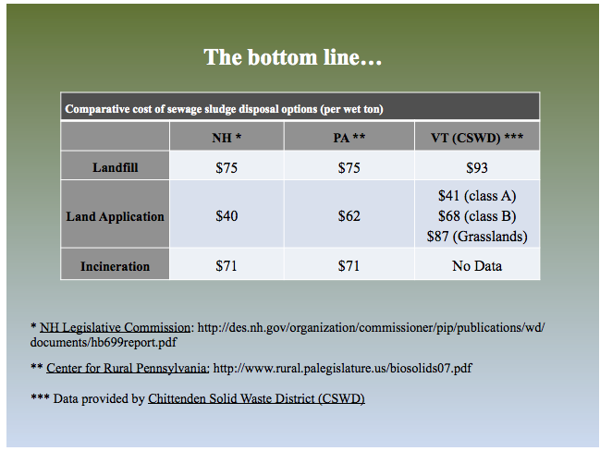
 |  |  |  | Vermont | 93
 |  |  |  | Pennsylvania <1mgd |  |  |  |  |  | 280.35 | 252
 |  |  |  | Vermont Class A |  | 41
 |  |  |  | Vermont Class B |  | 68
 |  |  |  | Vermont Grasslands |  | 87
 |  |  |  | Pennsylvania 1-5mgd |  |  |  |  |  | 256.08 | 201.65
 |  |  |  | Pennsylvania >5mgd |  |  |  |  |  | 260.32 | 145.16
 |  |  |  | Arizona Imperial County WW |  | 30
 |  |  |  | Arizona Max Landfill | 170
 |  |  |  | Arizona Minimum Landfill | 33
 |  |  |  | National Average Min |  | 60
 |  |  |  | National Average Max |  | 290
 |  |  |  | Average |  | 115.44 |  |  |  | 192.4 | 192.4 |  | 277.06 | Adjusted From 1960 $
 |  |  |  | Average |  |  |  |  |  |  | 97 |  | 323
 |  |  |  | GBRA Texas |  |  |  |  |  |  | 377 |  |  | Adjusted from 1995
 |  |  |  | Luling, Texas |  |  |  |  |  | 138 |  |  |  | Adjusted from 1996
 |  |  |  | San Marcos Texas |  |  |  |  |  | 100 |  |  |  | Adjusted from 1997
 |  |  |  | Seguin Texas 1 |  |  |  |  |  | 162 |  |  |  | Adjusted from 1998
 |  |  |  | Seguin Texas 2 |  |  |  |  |  | 182 |  |  |  | Adjusted from 1999
 |  |  |  | Texas Average |  |  |  |  |  |  | 127 |  |  | Adjusted from 2000
 |  |  |  | Juneau, Alaska | 88
 |  |  |  | Arlington, Oregon | 140
 |  |  |  | Littleton, Colorado |  |  |  |  |  | 100
 |  |  |  | Bay Area |  | 40
 |  |  |  | Nevada | 11
 |  |  |  | Great Lakes Water Authority | 31 | 46 |  | 15.2

Source: https://static1.squarespace.com/static/54806478e4b0dc44e1698e88/t/54860dace4b00d929c03c3c4/1418071468667/Twohig-VTRegulationUpdate-23Oct2014.pdf

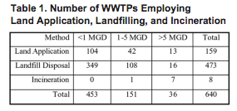
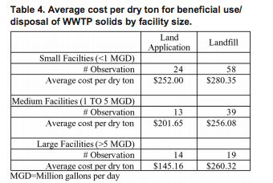

Source: http://www.rural.palegislature.us/biosolids07.pdf

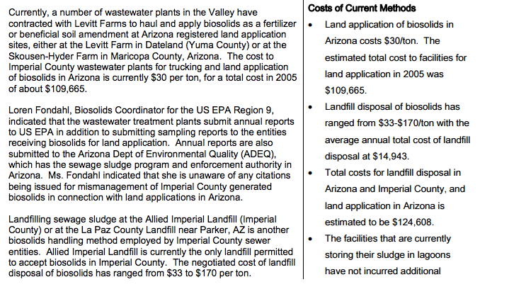

Source: http://imperial.granicus.com/MetaViewer.php?view_id=2&clip_id=888&meta_id=130520

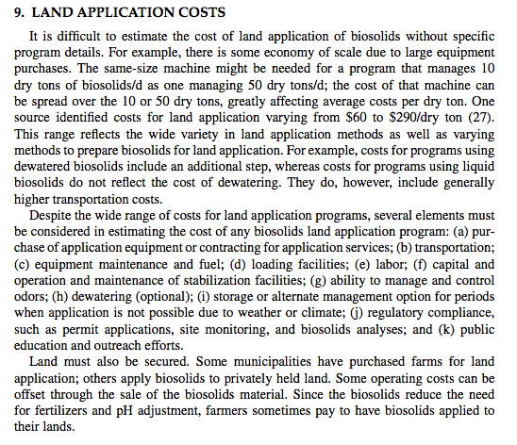

Source: http://download.springer.com/static/pdf/167/chp%253A10.1007%252F978-1-59745-174-1_7.pdf?originUrl=http%3A%2F%2Flink.springer.com%2Fchapter%2F10.1007%2F978-1-59745-174-1_7&token2=exp=1497913483~acl=%2Fstatic%2Fpdf%2F167%2Fchp%25253A10.1007%25252F978-1-59745-174-1_7.pdf%3ForiginUrl%3Dhttp%253A%252F%252Flink.springer.com%252Fchapter%252F10.1007%252F978-1-59745-174-1_7*~hmac=2340eb9715529e7807b7dbb04e1cc0737251ab5371ede90dab515f25533debb6
Engineering and Management of Agricultural Land Application Wang et al.
From handbook of environmental engineering, Volume 7: Biosolids engineering and management.
Economic Comparisons for Sludge Disposal Methods
A number of researchers have investigated the costs of
alternative sludge disposal ~ethods. Burd reviewed data avaiJable
ln the late 1960s and drew some generalizations about
relative costs of alternative sludge disposal methods. Estimates
were that capital and operating costs were $15 per dry ton for
landspreading liquid sludge and $25 per dry ton for landspreading
dewatered sludge. Landfilling dewatered sludge was estimated at
$25 per dry ton, and incineration at $30 to $42 per dry ton. Due
to a lack of data, Burd was unable to relate these costs to volume
of sludge produced by the plant. A weakness of Burd's
analysis was that no economic benefits were attributed to the
plant nutrient value of landspread sludge.
Ewing and Dick compared the relative costs of the principle
disposal methods in 1970. Their estimates showed landspreading
liquid sludge costing $15 per dry ton, landspreading dewatered
sludge $25 per dry ton, lagooning $18 per dry ton, and incineration
$50 per dry ton. Again, no benefits were attributed to
lan(1spreading. However, landspreading and incineration costs
were compared for a range of community sizes, and landspreading
costs were approximately $40 per dry ton less than incineration
costs over a wide range of community size.
More recent estimates by Shea and Stockton again found
landspreading as the least expensive method of sludge disposal.
Their estimates included the costs of thickening and digestion
as well as costs for ultimate disposal (i.e. landfilling, landspreading,
and incineration). Table 1 shows the relative advantage
of landspreading over a range of treatment plant size.
Shea and Stockton's landspreading costs were based on the
assumption that land was purchased for spreading sites. This
assumption biased landspreading costs upward since most landspreading
communities spread sludge on land owned by individuals.
They pay no rent for the land nor do they pay any land ownership
costs as Shea and Stockton's analysis assumed. Also, their analysis
attributed no benefits to the plant nutrients provided by
landspreading.
-5-
Colacicco et al. provided estimates of sludge disposal
costs and a summary is shown in Table 2. Again, landspreading
was shown to be an economically advantageous method of sludge
disposal.
Land treatment of wastewater appears to be a promising
treatment technology for small communities, for areas where
water is in short supply, or for those communities where removal
of nearly all pollutants from the effluent is required. Capital
and operating costs may be lower than with conventional treatment
and sludge disposal systems. Young and Carlson found that
land treatment reduced costs compared to conventional treatment
and sludge disposal systems. They projected savings of $0.40
per 1000 gallons of wastewater for the 0.5 MGD plant and $0.14
per 1000 gallons for the 10 MGD plant. Williams et al. compared
land treatment and conventional treatment systems in a number
of small ~ichigan communities. Land treatment systems had lower
initial capital outlays and annual operating costs than did the
conventional treatment systems. However, it is concluded in
Young and Epp that acreage requirements for wastewater treatment
suggest that land application is most applicable to smaller
communities or for treatment of only part of the total wastewater
from a large community.
Source: https://kb.osu.edu/dspace/bitstream/handle/1811/70268/1/CFAES_ESS_582.pdf

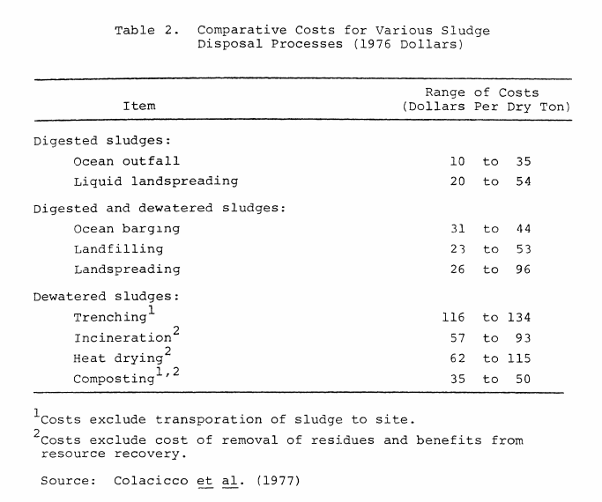

From: Colacicco, Daniel, E. Epstein, G. B. Willson, J. F. Parr and L. A. Christensen, "Costs of Sludge Composting", U.S. Department of Agriculture, ARS-NE-79, Beltsville, Maryland, 1979.

http://www.twdb.texas.gov/publications/reports/contracted_reports/doc/95483092.pdf
Page 43, Section 6: Costs

Virginia charges a fee of $7.50 per dry ton of land applied biosolids to plants spreading the material
http://www.deq.virginia.gov/Programs/Water/LandApplicationBeneficialReuse/SewageSludgeBiosolids.aspx

Alaska: $88/wet ton for transport and tip fees at Waste Mgmt in Juneau, $140/wet ton for transport and tip at WM in Arlington, Oregon
$25-50/wet ton for operating cost of a monofill (not including cost of additional treatment for disposal in monofill)
Land application: proposed to vary by location of site and difficulty of application
Report provides capital costs for AD, incineration, other technologies
http://www.juneau.org/clerk/PWFCAGENDA/documents/Biosolids_Report.pdf

Littleton/Englewood, CO: $100/dry ton for landfill disposal: $80 for hauling, $20 for permits and disposal

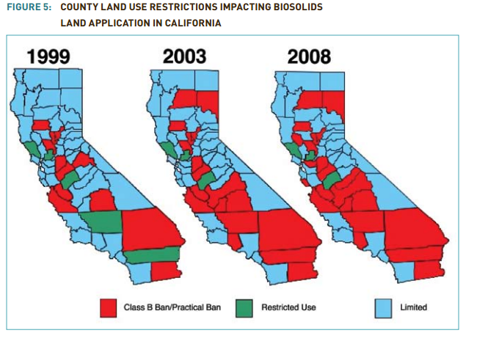

Planning level analysis puts the costs of a regional processing facility designed to convert biosolids to energy at between $70 and $120 per wet ton just for the facility. In addition to facility costs, there would be costs for pre-processing and transportation, which would vary by wastewater agency
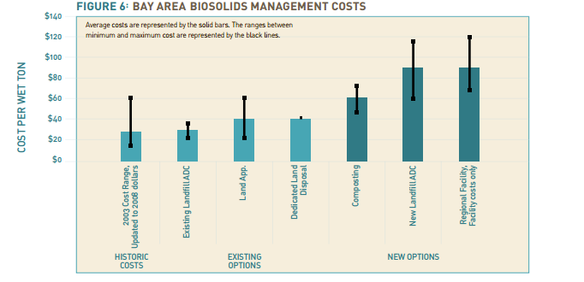

https://bacwa.org/wp-content/uploads/2010/03/Bay-Area-Biosolids-Management_Challenges_Opportunities_Policies.pdf

City of Los Angeles: Hyperion Treatment Plant
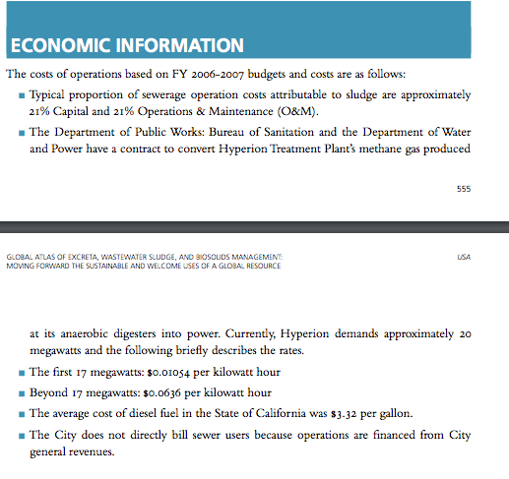

Ohio: Northeast ohio regional sewer district
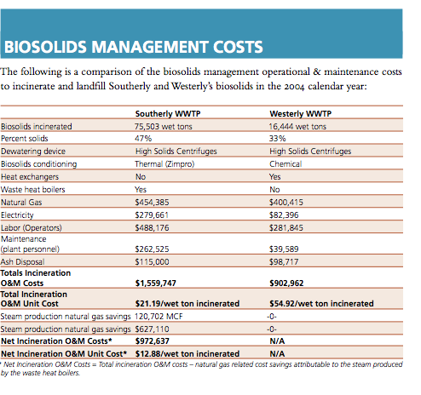

In 1994, the municipalities of Las Vegas,
Henderson, and the Clark County Sanitation
District in Nevada were disposing all biosolids in a
privately owned and operated facility 25 miles from
the municipalities. The total solids production of
545 wet Mg/day (600 wet tons/day) was
mechanically dewatered to a range of 10 to 33
percent solids. The cost for disposing of these
solids was approximately $10/ wet Mg ($11/ wet
ton), including transportation by a contract hauler
and landfill tipping fee.
As part of a regional biosolids management plan
developed in 1994, the municipalities evaluated the
option of building their own biosolids monofill.
Potential sites, ranging from less than 16 km (10
mi) to up to 80 km (50 mi) away, were selected
based primarily on their distance from the
municipalities. Other site evaluation criteria
included topography, hydrology, land use,
availability of utilities, and other
social/environmental concerns. The monofill
capacity was estimated at 31 million m3
(40 million
yd3
), based on accommodating the total annual
solids production for a period of 30 years. The
amount of land required for the monofill and space
for solids processing was estimated to be
approximately 200 ha (500 acres). The estimated
cost for this alternative ranged from $25.71/wet Mg
($28.32/wet ton) for the closest site to $28.32/wet
Mg ($31.20/wet ton) for the most remote site.

https://nepis.epa.gov/Exe/ZyPDF.cgi/P10053DP.PDF?Dockey=P10053DP.PDF

Regional Sludge Production Info
Colorado

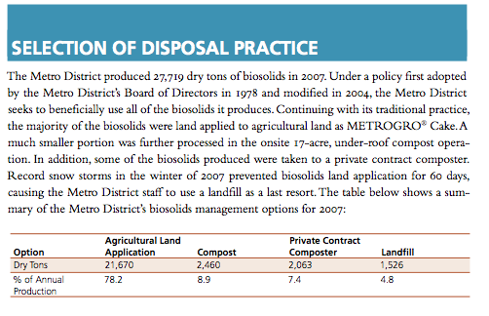

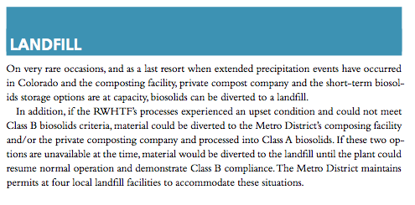

Illinois Metropolitan Water Reclamation District of Greater Chicago

Illinois Metropolitan Water Reclamation District of Greater Chicago
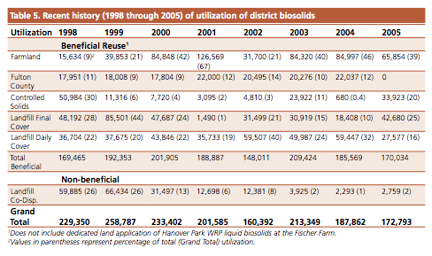

Michigan: City of Grand Rapids WWTP
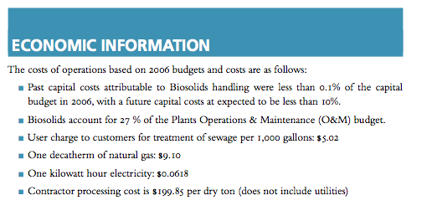

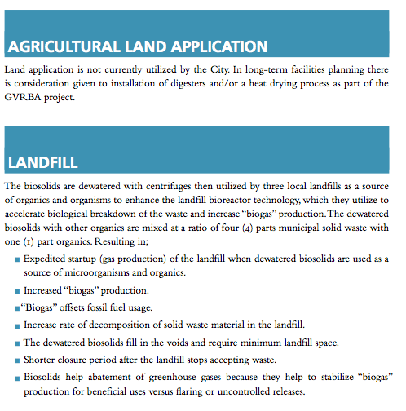

Wisconsin: Milwaukee metropolitan sewerage district: operation by united water services inc

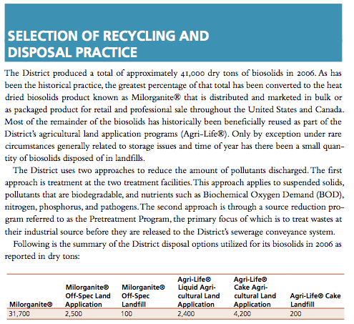

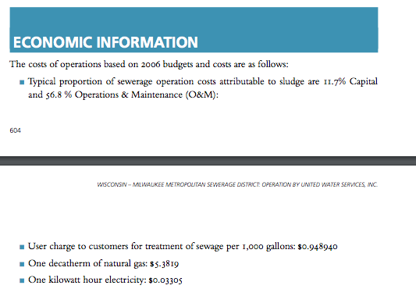

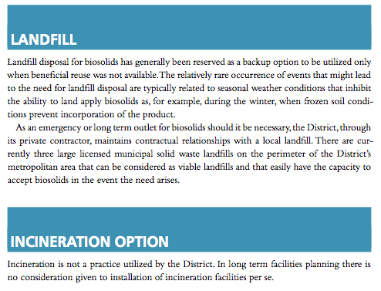

https://esa.un.org/iys/docs/san_lib_docs/habitat2008.pdf

